Worksheet
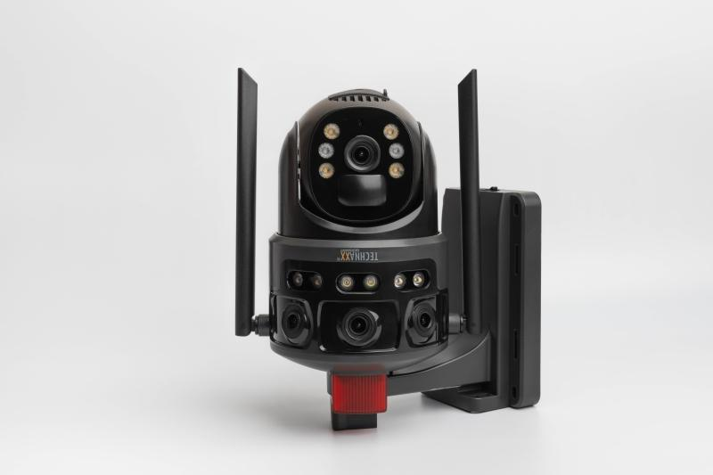
Technaxx 4G Dual Camera Outdoor TX-329 with Solar Panel

Item number | 5281 |  | VE | 8
EAN | 4260358128559 |  | Pieces per pallet | no information
Customs number | 85258900 |  | Layers per pallet | no information

Dimensions - item
Length(cm) | Width(cm) | Height(cm) | Weight(g)
23 | 19 | 11 | 810

Dimensions - item packaging
Length(cm) | Width(cm) | Height(cm) | Tare(g) | Weight(g) product + packaging
27.5 | 21.5 | 16 | 244 | 1786

Dimensions - VE box (master box)
Length(cm) | Width(cm) | Height(cm) | Weight(g)
57 | 44.5 | 34.5 | 16500

Packaging - components
Rest of accessories (g) | Paper / cardboard (g) | Styrofoam (g) | Plastic hollow body(g) | Plastic. foils(g) | Composite materials (g)
112 | 250 | 0 | 0 | 40 | 0

Battery / accumulator informations
Battery needed | Battery included | Type of battery | Battery system(typus)
Yes | Yes | Akku | Li-Ion - Lithium-Ionen-Akku
Quantity(piece) | Weight per piece.(g) | Energy density(WH/Kg) | Power (WH)
4 | 44 | 170.11 | 29.6

Lithium battery
Energy content | Weight (Kg)
8000 | 174

Further informations
Technaxx reseller portal

