Worksheet
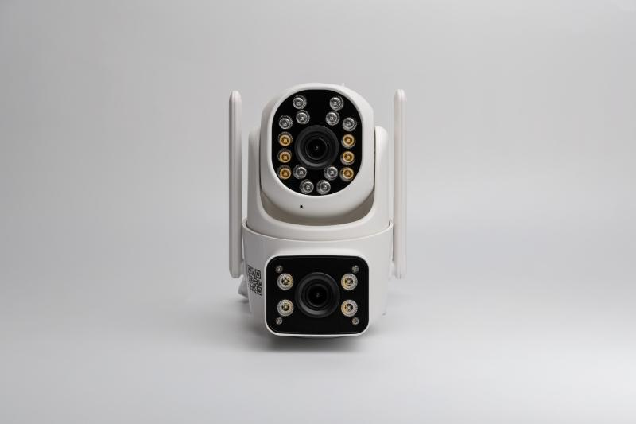
Technaxx Dual Camera Outdoor TX-328

Item number | 5280 |  | VE | 24
EAN | 4260358128542 |  | Pieces per pallet | no information
Customs number | 85258300 |  | Layers per pallet | no information
UPC | 0
Dimensions - item
Length(inch) | Width(inch) | Height(inch) | Weight(oz)
5.31 | 5.51 | 3.35 | 12,13

Dimensions - item packaging
Length(inch) | Width(inch) | Height(inch) | Tare(oz) | Weight(oz) product + packaging
6.1 | 6.1 | 4.92 | 3,74 | 22,93

Dimensions - VE box (master box)
Length(inch) | Width(inch) | Height(inch) | Weight(oz)
19.09 | 12.8 | 20.08 | 550,27

Packaging - components
Rest of accessories (oz) | Paper / cardboard (oz) | Styrofoam (oz) | Plastic hollow body(oz) | Plastic. foils(oz) | Composite materials (oz)
3,67 | 3,07 | 0,00 | 0,00 | 0,35 | 0,00

Further informations
Technaxx reseller portal

