Worksheet
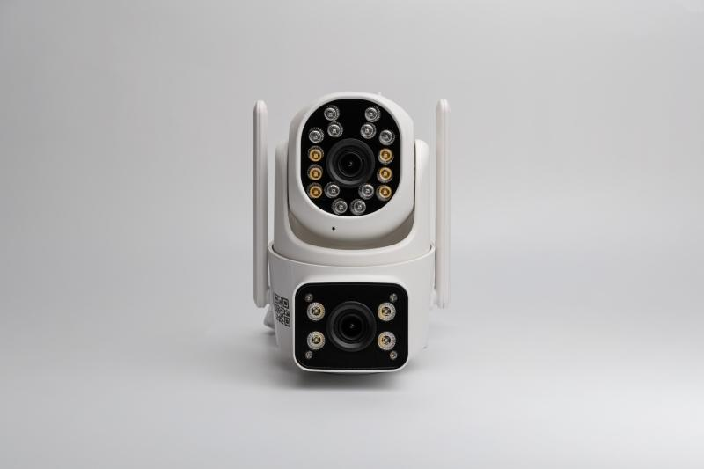
Technaxx Dual Camera Outdoor TX-328

Item number | 5280 |  | VE | 24
EAN | 4260358128542 |  | Pieces per pallet | no information
Customs number | 85258300 |  | Layers per pallet | no information

Dimensions - item
Length(cm) | Width(cm) | Height(cm) | Weight(g)
13.5 | 14 | 8.5 | 344

Dimensions - item packaging
Length(cm) | Width(cm) | Height(cm) | Tare(g) | Weight(g) product + packaging
15.5 | 15.5 | 12.5 | 106 | 650

Dimensions - VE box (master box)
Length(cm) | Width(cm) | Height(cm) | Weight(g)
48.5 | 32.5 | 51 | 15600

Packaging - components
Rest of accessories (g) | Paper / cardboard (g) | Styrofoam (g) | Plastic hollow body(g) | Plastic. foils(g) | Composite materials (g)
104 | 87 | 0 | 0 | 10 | 0

Further informations
Technaxx reseller portal

