Worksheet
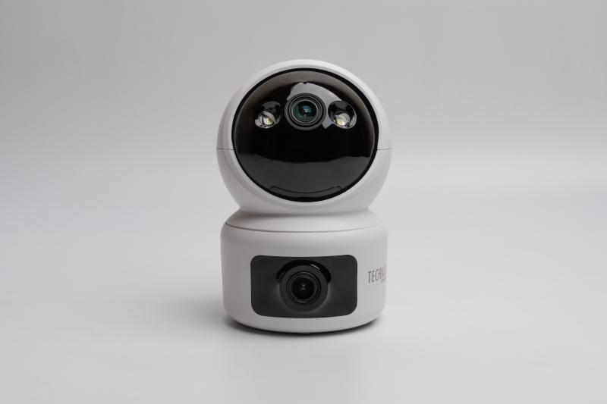
Technaxx Dual Camera Indoor TX-327

Item number | 5279 |  | VE | 40
EAN | 4260358128535 |  | Pieces per pallet | no information
Customs number | 85258300 |  | Layers per pallet | no information
UPC | 0
Dimensions - item
Length(inch) | Width(inch) | Height(inch) | Weight(oz)
2.87 | 2.87 | 4.33 | 6,84

Dimensions - item packaging
Length(inch) | Width(inch) | Height(inch) | Tare(oz) | Weight(oz) product + packaging
6.5 | 4.21 | 4.13 | 2,68 | 15,80

Dimensions - VE box (master box)
Length(inch) | Width(inch) | Height(inch) | Weight(oz)
22.24 | 13.58 | 16.93 | 606,71

Packaging - components
Rest of accessories (oz) | Paper / cardboard (oz) | Styrofoam (oz) | Plastic hollow body(oz) | Plastic. foils(oz) | Composite materials (oz)
3,35 | 2,72 | 0,00 | 0,00 | 0,42 | 0,00

Further informations
Technaxx reseller portal

