Worksheet
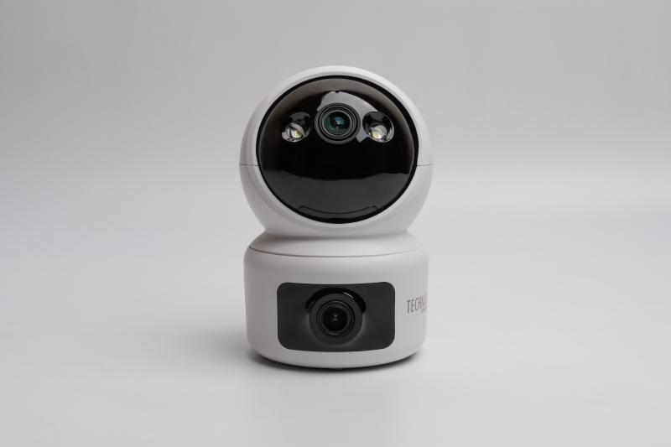
Technaxx Dual Camera Indoor TX-327

Item number | 5279 |  | VE | 40
EAN | 4260358128535 |  | Pieces per pallet | no information
Customs number | 85258300 |  | Layers per pallet | no information

Dimensions - item
Length(cm) | Width(cm) | Height(cm) | Weight(g)
7.3 | 7.3 | 11 | 194

Dimensions - item packaging
Length(cm) | Width(cm) | Height(cm) | Tare(g) | Weight(g) product + packaging
16.5 | 10.7 | 10.5 | 76 | 448

Dimensions - VE box (master box)
Length(cm) | Width(cm) | Height(cm) | Weight(g)
56.5 | 34.5 | 43 | 17200

Packaging - components
Rest of accessories (g) | Paper / cardboard (g) | Styrofoam (g) | Plastic hollow body(g) | Plastic. foils(g) | Composite materials (g)
95 | 77 | 0 | 0 | 12 | 0

Further informations
Technaxx reseller portal

