Worksheet
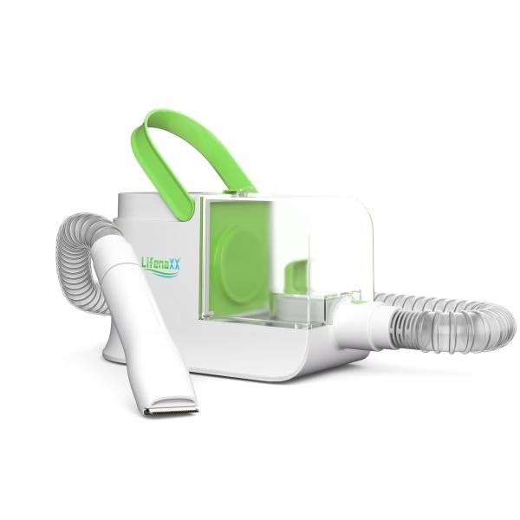
Lifenaxx Pet Care Set LX-052

Item number | 5273 |  | VE | 3
EAN | 4260358128597 |  | Pieces per pallet | 48
Customs number | 85081100 |  | Layers per pallet | 4
UPC | 0
Dimensions - item
Length(inch) | Width(inch) | Height(inch) | Weight(oz)
11.22 | 4.72 | 7.01 | 58,66

Dimensions - item packaging
Length(inch) | Width(inch) | Height(inch) | Tare(oz) | Weight(oz) product + packaging
16.34 | 13.19 | 7.48 | 43,67 | 151,68

Dimensions - VE box (master box)
Length(inch) | Width(inch) | Height(inch) | Weight(oz)
17.32 | 13.78 | 23.82 | 493,84

Packaging - components
Rest of accessories (oz) | Paper / cardboard (oz) | Styrofoam (oz) | Plastic hollow body(oz) | Plastic. foils(oz) | Composite materials (oz)
0,00 | 13,79 | 0,00 | 0,00 | 1,48 | 0,39

Further informations
Technaxx reseller portal

