Worksheet
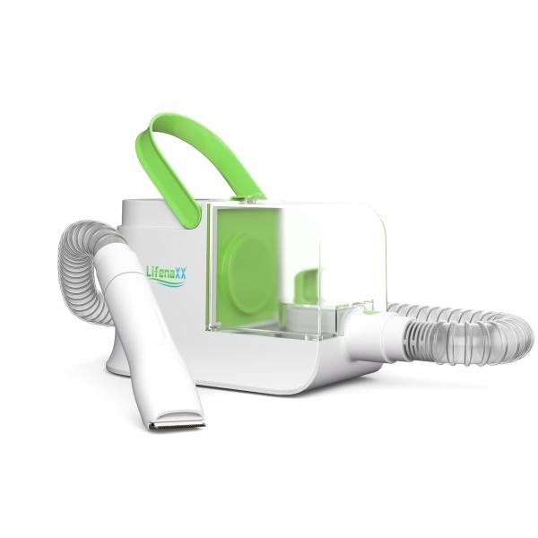
Lifenaxx Pet Care Set LX-052

Item number | 5273 |  | VE | 3
EAN | 4260358128597 |  | Pieces per pallet | 48
Customs number | 85081100 |  | Layers per pallet | 4

Dimensions - item
Length(cm) | Width(cm) | Height(cm) | Weight(g)
28.5 | 12 | 17.8 | 1663

Dimensions - item packaging
Length(cm) | Width(cm) | Height(cm) | Tare(g) | Weight(g) product + packaging
41.5 | 33.5 | 19 | 1238 | 4300

Dimensions - VE box (master box)
Length(cm) | Width(cm) | Height(cm) | Weight(g)
44 | 35 | 60.5 | 14000

Packaging - components
Rest of accessories (g) | Paper / cardboard (g) | Styrofoam (g) | Plastic hollow body(g) | Plastic. foils(g) | Composite materials (g)
0 | 391 | 0 | 0 | 42 | 11

Further informations
Technaxx reseller portal

