Worksheet
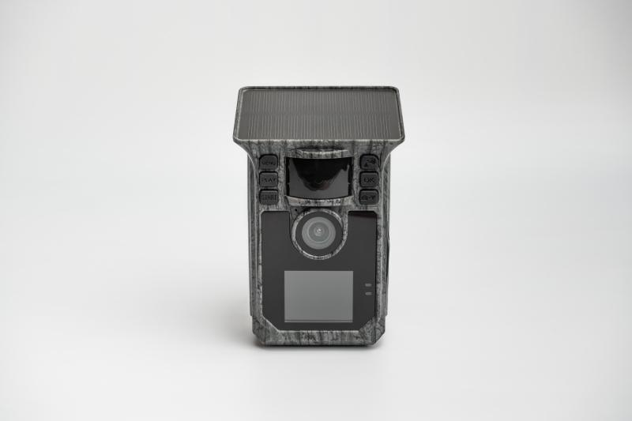
Solar Wifi Wildcam TX-326

Item number | 5269 |  | VE | 16
EAN | 4260358128498 |  | Pieces per pallet | 384
Customs number | 85258300 |  | Layers per pallet | 4
UPC | 0
Dimensions - item
Length(inch) | Width(inch) | Height(inch) | Weight(oz)
3.35 | 2.56 | 5.12 | 9,59

Dimensions - item packaging
Length(inch) | Width(inch) | Height(inch) | Tare(oz) | Weight(oz) product + packaging
8.07 | 4.72 | 3.94 | 4,16 | 22,93

Dimensions - VE box (master box)
Length(inch) | Width(inch) | Height(inch) | Weight(oz)
18.7 | 11.02 | 17.13 | 434,93

Packaging - components
Rest of accessories (oz) | Paper / cardboard (oz) | Styrofoam (oz) | Plastic hollow body(oz) | Plastic. foils(oz) | Composite materials (oz)
4,37 | 4,87 | 0,00 | 0,00 | 0,11 | 0,00

Battery / accumulator informations
Battery needed | Battery included | Type of battery | Battery system(typus)
Yes | Yes | Akku | Li-Ion - Lithium-Ionen-Akku
Quantity(piece) | Weight per piece.(oz) | Energy density(WH/Kg) | Power (WH)
1 | 3,25 | 201.1 | 18.5

Lithium battery
Energy content | Weight (oz)
5 | 3,25

Further informations
Technaxx reseller portal

