Worksheet
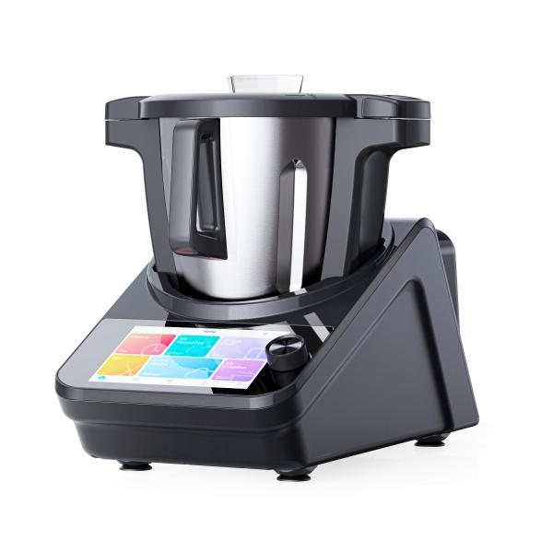
Lifenaxx Master chef LX-050

Item number | 5267 |  | VE | 1
EAN | 4260358128924 |  | Pieces per pallet | 12
Customs number | 84388099 |  | Layers per pallet | no information
UPC | 0
Dimensions - item
Length(inch) | Width(inch) | Height(inch) | Weight(oz)
17.72 | 9.45 | 13.78 | 215,17

Dimensions - item packaging
Length(inch) | Width(inch) | Height(inch) | Tare(oz) | Weight(oz) product + packaging
20.47 | 13.78 | 20.47 | 46,91 | 391,89

Dimensions - VE box (master box)
Length(inch) | Width(inch) | Height(inch) | Weight(oz)
21.06 | 14.37 | 21.26 | 437,40

Packaging - components
Rest of accessories (oz) | Paper / cardboard (oz) | Styrofoam (oz) | Plastic hollow body(oz) | Plastic. foils(oz) | Composite materials (oz)
0,00 | 3,14 | 0,00 | 0,00 | 3,07 | 0,00

Further informations
Technaxx reseller portal

