Worksheet
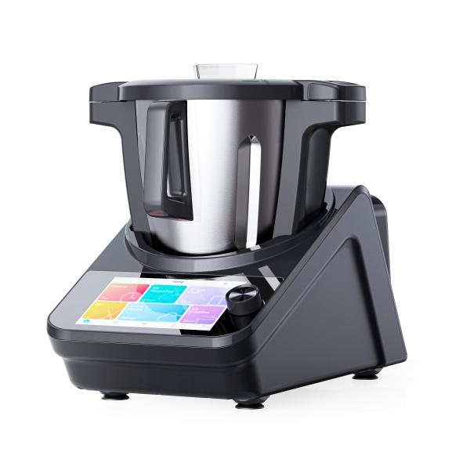
Lifenaxx Master chef LX-050

Item number | 5267 |  | VE | 1
EAN | 4260358128924 |  | Pieces per pallet | 12
Customs number | 84388099 |  | Layers per pallet | no information

Dimensions - item
Length(cm) | Width(cm) | Height(cm) | Weight(g)
45 | 24 | 35 | 6100

Dimensions - item packaging
Length(cm) | Width(cm) | Height(cm) | Tare(g) | Weight(g) product + packaging
52 | 35 | 52 | 1330 | 11110

Dimensions - VE box (master box)
Length(cm) | Width(cm) | Height(cm) | Weight(g)
53.5 | 36.5 | 54 | 12400

Packaging - components
Rest of accessories (g) | Paper / cardboard (g) | Styrofoam (g) | Plastic hollow body(g) | Plastic. foils(g) | Composite materials (g)
0 | 89 | 0 | 0 | 87 | 0

Further informations
Technaxx reseller portal

