Worksheet
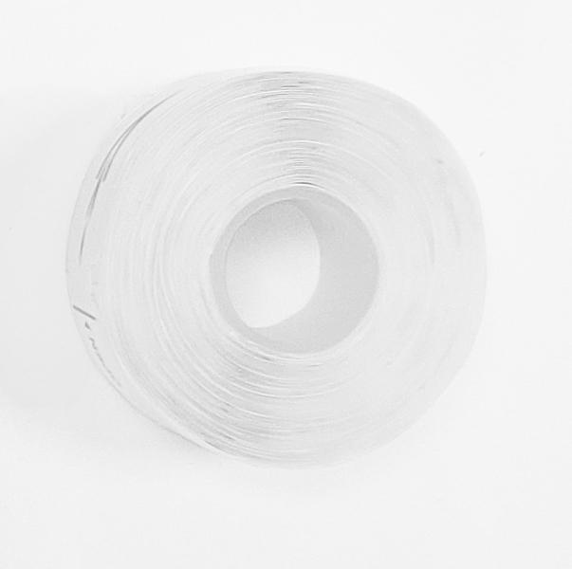
Thermal paper label 3x 180 pieces self-adhesive roll size 15x35mm for LX-048

Item number | 5244 |  | VE | 520
EAN | 4260358128405 |  | Pieces per pallet | no information
Customs number | 48219010 |  | Layers per pallet | no information
UPC | 0
Dimensions - item
Length(inch) | Width(inch) | Height(inch) | Weight(oz)
1.38 | 1.38 | 0.59 | 0,42

Dimensions - item packaging
Length(inch) | Width(inch) | Height(inch) | Tare(oz) | Weight(oz) product + packaging
1.89 | 1.5 | 1.5 | 0,00 | 1,45

Dimensions - VE box (master box)
Length(inch) | Width(inch) | Height(inch) | Weight(oz)
15.35 | 13.78 | 13.39 | 761,92

Packaging - components
Rest of accessories (oz) | Paper / cardboard (oz) | Styrofoam (oz) | Plastic hollow body(oz) | Plastic. foils(oz) | Composite materials (oz)
0,00 | 0,00 | 0,00 | 0,00 | 0,00 | 0,00

Further informations
Technaxx reseller portal

