Worksheet
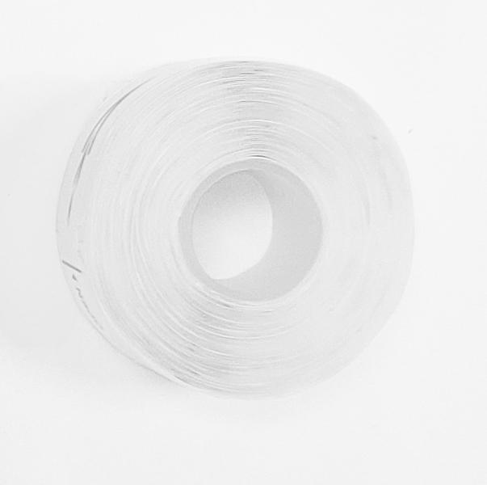
Thermal paper label 3x 180 pieces self-adhesive roll size 15x35mm for LX-048

Item number | 5244 |  | VE | 520
EAN | 4260358128405 |  | Pieces per pallet | no information
Customs number | 48219010 |  | Layers per pallet | no information

Dimensions - item
Length(cm) | Width(cm) | Height(cm) | Weight(g)
3.5 | 3.5 | 1.5 | 12

Dimensions - item packaging
Length(cm) | Width(cm) | Height(cm) | Tare(g) | Weight(g) product + packaging
4.8 | 3.8 | 3.8 | 0 | 41

Dimensions - VE box (master box)
Length(cm) | Width(cm) | Height(cm) | Weight(g)
39 | 35 | 34 | 21600

Packaging - components
Rest of accessories (g) | Paper / cardboard (g) | Styrofoam (g) | Plastic hollow body(g) | Plastic. foils(g) | Composite materials (g)
0 | 0 | 0 | 0 | 0 | 0

Further informations
Technaxx reseller portal

