Worksheet
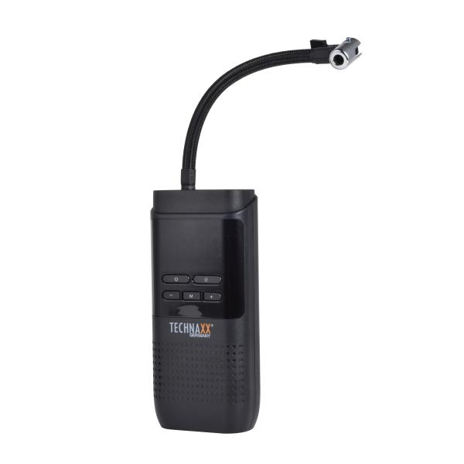
Technaxx car air compressor TX-321

Item number | 5243 |  | VE | 20
EAN | 4260358128399 |  | Pieces per pallet | 600
Customs number | 84148011 |  | Layers per pallet | no information
UPC | 0
Dimensions - item
Length(inch) | Width(inch) | Height(inch) | Weight(oz)
6.97 | 3.15 | 1.73 | 17,92

Dimensions - item packaging
Length(inch) | Width(inch) | Height(inch) | Tare(oz) | Weight(oz) product + packaging
8.66 | 4.72 | 2.36 | 1,06 | 22,01

Dimensions - VE box (master box)
Length(inch) | Width(inch) | Height(inch) | Weight(oz)
17.72 | 12.6 | 9.84 | 370,38

Packaging - components
Rest of accessories (oz) | Paper / cardboard (oz) | Styrofoam (oz) | Plastic hollow body(oz) | Plastic. foils(oz) | Composite materials (oz)
0,00 | 0,00 | 0,00 | 0,00 | 0,00 | 0,00

Battery / accumulator informations
Battery needed | Battery included | Type of battery | Battery system(typus)
Yes | Yes | Akku | Li-Ion - Lithium-Ionen-Akku
Quantity(piece) | Weight per piece.(oz) | Energy density(WH/Kg) | Power (WH)
1 | 1,13 | 0 | 0

Lithium battery
Energy content | Weight (oz)
0 | 0,00

Further informations
Technaxx reseller portal

