Worksheet
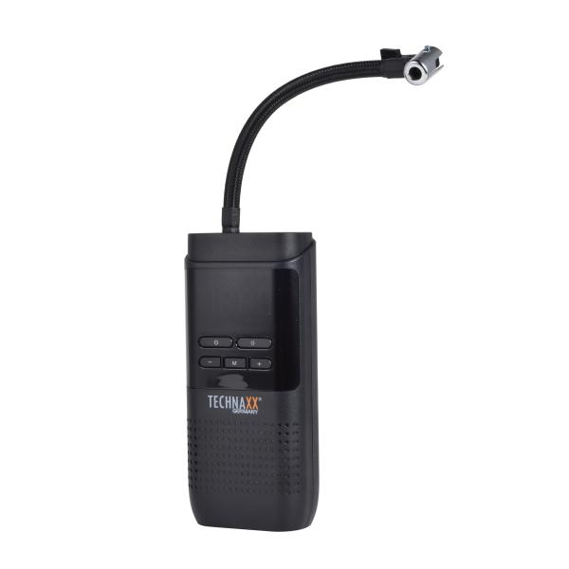
Technaxx car air compressor TX-321

Item number | 5243 |  | VE | 20
EAN | 4260358128399 |  | Pieces per pallet | 600
Customs number | 84148011 |  | Layers per pallet | no information

Dimensions - item
Length(cm) | Width(cm) | Height(cm) | Weight(g)
17.7 | 8 | 4.4 | 508

Dimensions - item packaging
Length(cm) | Width(cm) | Height(cm) | Tare(g) | Weight(g) product + packaging
22 | 12 | 6 | 30 | 624

Dimensions - VE box (master box)
Length(cm) | Width(cm) | Height(cm) | Weight(g)
45 | 32 | 25 | 10500

Packaging - components
Rest of accessories (g) | Paper / cardboard (g) | Styrofoam (g) | Plastic hollow body(g) | Plastic. foils(g) | Composite materials (g)
0 | 0 | 0 | 0 | 0 | 0

Battery / accumulator informations
Battery needed | Battery included | Type of battery | Battery system(typus)
Yes | Yes | Akku | Li-Ion - Lithium-Ionen-Akku
Quantity(piece) | Weight per piece.(g) | Energy density(WH/Kg) | Power (WH)
1 | 32 | 0 | 0

Lithium battery
Energy content | Weight (Kg)
0 | 0

Further informations
Technaxx reseller portal

