Worksheet
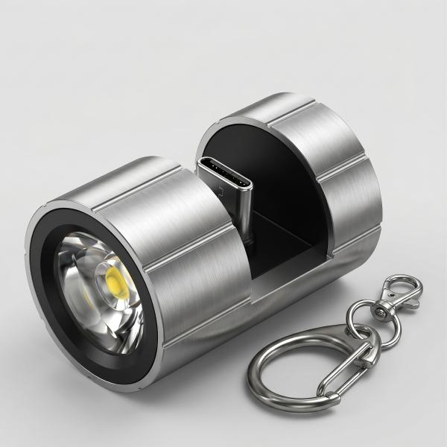
Technaxx Smartphone Flashlight USB-C TX-313

Item number | 5240 |  | VE | 100
EAN | 4260358126999 |  | Pieces per pallet | no information
Customs number | 94054239 |  | Layers per pallet | no information
UPC | 0
Dimensions - item
Length(inch) | Width(inch) | Height(inch) | Weight(oz)
0.87 | 0.87 | 1.34 | 0,53

Dimensions - item packaging
Length(inch) | Width(inch) | Height(inch) | Tare(oz) | Weight(oz) product + packaging
4.72 | 3.15 | 1.38 | 0,18 | 1,06

Dimensions - VE box (master box)
Length(inch) | Width(inch) | Height(inch) | Weight(oz)
22.44 | 16.93 | 14.96 | 176,37

Packaging - components
Rest of accessories (oz) | Paper / cardboard (oz) | Styrofoam (oz) | Plastic hollow body(oz) | Plastic. foils(oz) | Composite materials (oz)
0,00 | 0,35 | 0,00 | 0,35 | 0,00 | 0,00

Further informations
Technaxx reseller portal

