Worksheet
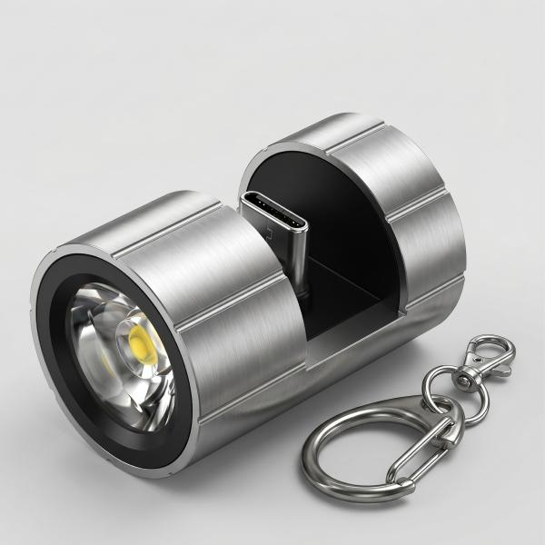
Technaxx Smartphone Flashlight USB-C TX-313

Item number | 5240 |  | VE | 100
EAN | 4260358126999 |  | Pieces per pallet | no information
Customs number | 94054239 |  | Layers per pallet | no information

Dimensions - item
Length(cm) | Width(cm) | Height(cm) | Weight(g)
2.2 | 2.2 | 3.4 | 15

Dimensions - item packaging
Length(cm) | Width(cm) | Height(cm) | Tare(g) | Weight(g) product + packaging
12 | 8 | 3.5 | 5 | 30

Dimensions - VE box (master box)
Length(cm) | Width(cm) | Height(cm) | Weight(g)
57 | 43 | 38 | 5000

Packaging - components
Rest of accessories (g) | Paper / cardboard (g) | Styrofoam (g) | Plastic hollow body(g) | Plastic. foils(g) | Composite materials (g)
0 | 10 | 0 | 10 | 0 | 0

Further informations
Technaxx reseller portal

