Worksheet
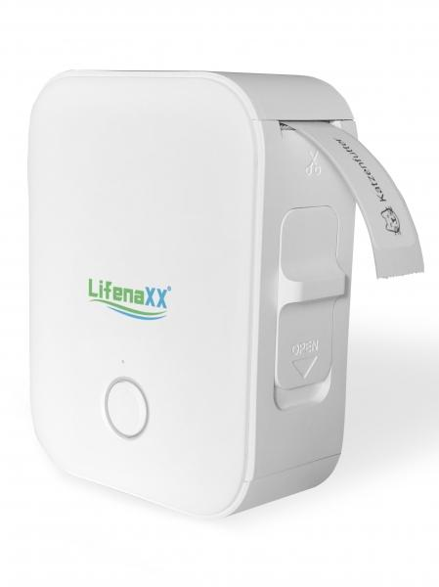
Lifenaxx Thermal Label Printer LX-048

Item number | 5236 |  | VE | 48
EAN | 4260358128344 |  | Pieces per pallet | 1980
Customs number | 84433210 |  | Layers per pallet | 4
UPC | 0
Dimensions - item
Length(inch) | Width(inch) | Height(inch) | Weight(oz)
2.76 | 1.18 | 3.54 | 4,52

Dimensions - item packaging
Length(inch) | Width(inch) | Height(inch) | Tare(oz) | Weight(oz) product + packaging
3.7 | 1.57 | 4.92 | 0,56 | 6,21

Dimensions - VE box (master box)
Length(inch) | Width(inch) | Height(inch) | Weight(oz)
18.9 | 12.2 | 14.57 | 529,11

Packaging - components
Rest of accessories (oz) | Paper / cardboard (oz) | Styrofoam (oz) | Plastic hollow body(oz) | Plastic. foils(oz) | Composite materials (oz)
0,35 | 0,07 | 0,00 | 0,35 | 0,00 | 0,00

Battery / accumulator informations
Battery needed | Battery included | Type of battery | Battery system(typus)
Yes | Yes | Akku | Li-Ion - Lithium-Ionen-Akku
Quantity(piece) | Weight per piece.(oz) | Energy density(WH/Kg) | Power (WH)
1 | 1,13 | 138.75 | 4.44

Lithium battery
Energy content | Weight (oz)
1.2 | 1,13

Further informations
Technaxx reseller portal

