Worksheet
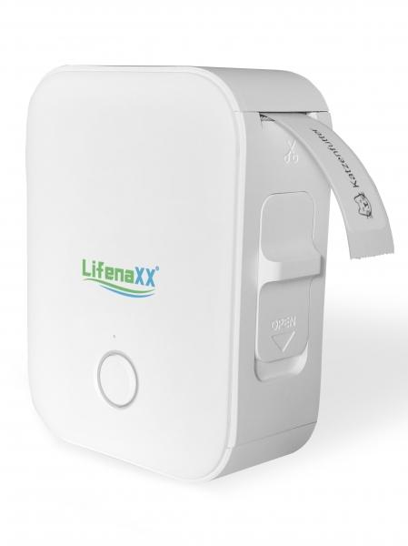
Lifenaxx Thermal Label Printer LX-048

Item number | 5236 |  | VE | 48
EAN | 4260358128344 |  | Pieces per pallet | 1980
Customs number | 84433210 |  | Layers per pallet | 4

Dimensions - item
Length(cm) | Width(cm) | Height(cm) | Weight(g)
7 | 3 | 9 | 128

Dimensions - item packaging
Length(cm) | Width(cm) | Height(cm) | Tare(g) | Weight(g) product + packaging
9.4 | 4 | 12.5 | 16 | 176

Dimensions - VE box (master box)
Length(cm) | Width(cm) | Height(cm) | Weight(g)
48 | 31 | 37 | 15000

Packaging - components
Rest of accessories (g) | Paper / cardboard (g) | Styrofoam (g) | Plastic hollow body(g) | Plastic. foils(g) | Composite materials (g)
10 | 2 | 0 | 10 | 0 | 0

Battery / accumulator informations
Battery needed | Battery included | Type of battery | Battery system(typus)
Yes | Yes | Akku | Li-Ion - Lithium-Ionen-Akku
Quantity(piece) | Weight per piece.(g) | Energy density(WH/Kg) | Power (WH)
1 | 32 | 138.75 | 4.44

Lithium battery
Energy content | Weight (Kg)
1.2 | 32

Further informations
Technaxx reseller portal

