Worksheet
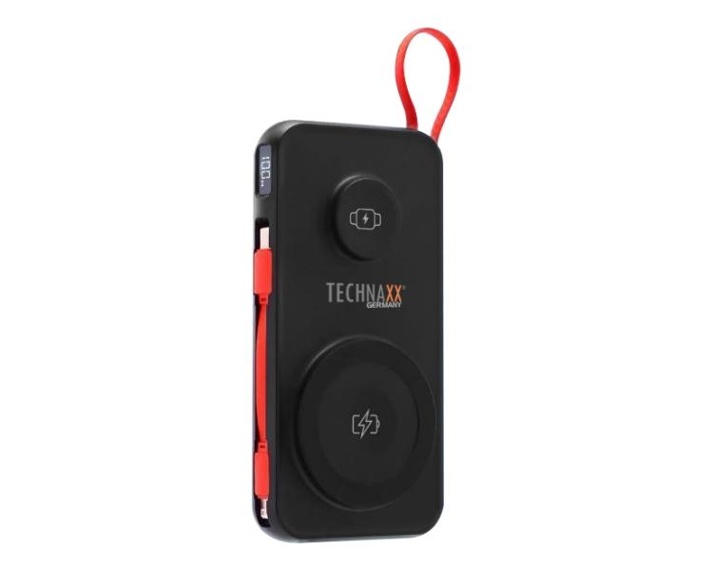
Technaxx Powerbank 10000 mAh 3-in-1 wireless fast charging TX-315

Item number | 5233 |  | VE | 20
EAN | 4260358126937 |  | Pieces per pallet | 1600
Customs number | 85065090 |  | Layers per pallet | 8
UPC | 0
Dimensions - item
Length(inch) | Width(inch) | Height(inch) | Weight(oz)
2.83 | 0.79 | 5.51 | 8,85

Dimensions - item packaging
Length(inch) | Width(inch) | Height(inch) | Tare(oz) | Weight(oz) product + packaging
3.86 | 1.38 | 8.07 | 1,76 | 11,01

Dimensions - VE box (master box)
Length(inch) | Width(inch) | Height(inch) | Weight(oz)
8.27 | 15.04 | 8.23 | 0,00

Packaging - components
Rest of accessories (oz) | Paper / cardboard (oz) | Styrofoam (oz) | Plastic hollow body(oz) | Plastic. foils(oz) | Composite materials (oz)
0,39 | 0,11 | 0,00 | 0,00 | 0,00 | 0,00

Battery / accumulator informations
Battery needed | Battery included | Type of battery | Battery system(typus)
Yes | Yes | Akku | LiPoly - Lithium-Polymer-Akku
Quantity(piece) | Weight per piece.(oz) | Energy density(WH/Kg) | Power (WH)
1 | 5,40 | 241.83 | 37

Lithium battery
Energy content | Weight (oz)
10000 | 5,40

Further informations
Technaxx reseller portal

