Worksheet
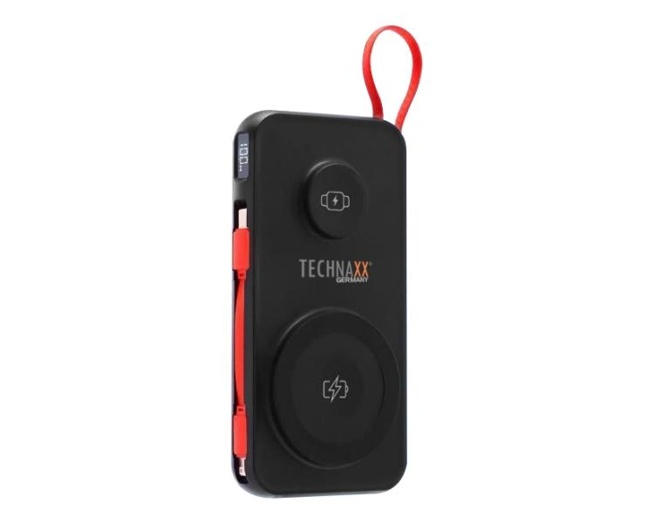
Technaxx Powerbank 10000 mAh 3-in-1 wireless fast charging TX-315

Item number | 5233 |  | VE | 20
EAN | 4260358126937 |  | Pieces per pallet | 1600
Customs number | 85065090 |  | Layers per pallet | 8

Dimensions - item
Length(cm) | Width(cm) | Height(cm) | Weight(g)
7.2 | 2 | 14 | 251

Dimensions - item packaging
Length(cm) | Width(cm) | Height(cm) | Tare(g) | Weight(g) product + packaging
9.8 | 3.5 | 20.5 | 50 | 312

Dimensions - VE box (master box)
Length(cm) | Width(cm) | Height(cm) | Weight(g)
21 | 38.2 | 20.9 | 0

Packaging - components
Rest of accessories (g) | Paper / cardboard (g) | Styrofoam (g) | Plastic hollow body(g) | Plastic. foils(g) | Composite materials (g)
11 | 3 | 0 | 0 | 0 | 0

Battery / accumulator informations
Battery needed | Battery included | Type of battery | Battery system(typus)
Yes | Yes | Akku | LiPoly - Lithium-Polymer-Akku
Quantity(piece) | Weight per piece.(g) | Energy density(WH/Kg) | Power (WH)
1 | 153 | 241.83 | 37

Lithium battery
Energy content | Weight (Kg)
10000 | 153

Further informations
Technaxx reseller portal

