Worksheet
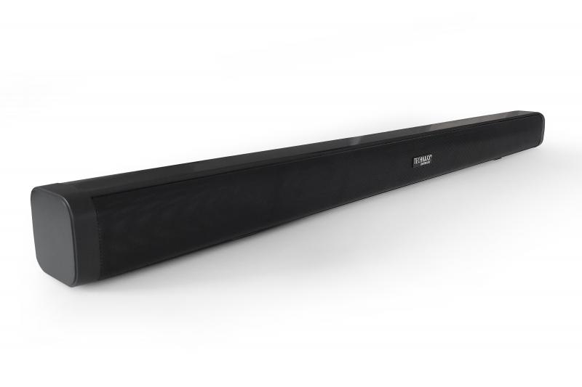
Technaxx Bluetooth Soundbar 30W TX-311

Item number | 5228 |  | VE | 6
EAN | 4260358126906 |  | Pieces per pallet | 90
Customs number | 85279100 |  | Layers per pallet | 5
UPC | 0
Dimensions - item
Length(inch) | Width(inch) | Height(inch) | Weight(oz)
30.71 | 2.36 | 2.36 | 34.709,58

Dimensions - item packaging
Length(inch) | Width(inch) | Height(inch) | Tare(oz) | Weight(oz) product + packaging
35.04 | 4.13 | 4.13 | 7,83 | 49,10

Dimensions - VE box (master box)
Length(inch) | Width(inch) | Height(inch) | Weight(oz)
35.63 | 9.33 | 13.39 | 373,90

Packaging - components
Rest of accessories (oz) | Paper / cardboard (oz) | Styrofoam (oz) | Plastic hollow body(oz) | Plastic. foils(oz) | Composite materials (oz)
5,47 | 0,95 | 0,60 | 0,00 | 0,71 | 0,00

Battery / accumulator informations
Battery needed | Battery included | Type of battery | Battery system(typus)
Yes | Yes | Micro-Batterie AAA | Keine
Quantity(piece) | Weight per piece.(oz) | Energy density(WH/Kg) | Power (WH)
2 | 0,25 | 0 | 0

Lithium battery
Energy content | Weight (oz)
0 | 0,25

Further informations
Technaxx reseller portal

