Worksheet
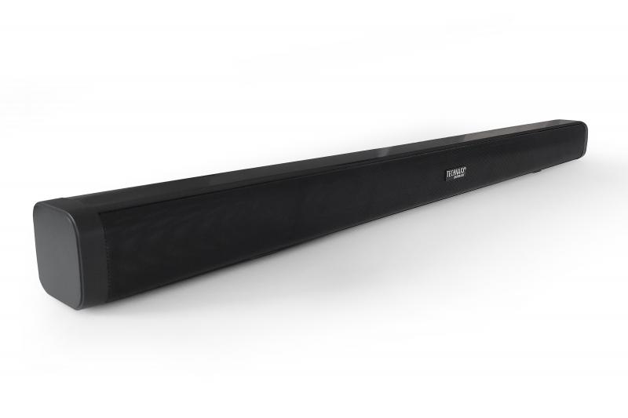
Technaxx Bluetooth Soundbar 30W TX-311

Item number | 5228 |  | VE | 6
EAN | 4260358126906 |  | Pieces per pallet | 90
Customs number | 85279100 |  | Layers per pallet | 5

Dimensions - item
Length(cm) | Width(cm) | Height(cm) | Weight(g)
78 | 6 | 6 | 984000

Dimensions - item packaging
Length(cm) | Width(cm) | Height(cm) | Tare(g) | Weight(g) product + packaging
89 | 10.5 | 10.5 | 222 | 1392

Dimensions - VE box (master box)
Length(cm) | Width(cm) | Height(cm) | Weight(g)
90.5 | 23.7 | 34 | 10600

Packaging - components
Rest of accessories (g) | Paper / cardboard (g) | Styrofoam (g) | Plastic hollow body(g) | Plastic. foils(g) | Composite materials (g)
155 | 27 | 17 | 0 | 20 | 0

Battery / accumulator informations
Battery needed | Battery included | Type of battery | Battery system(typus)
Yes | Yes | Micro-Batterie AAA | Keine
Quantity(piece) | Weight per piece.(g) | Energy density(WH/Kg) | Power (WH)
2 | 7 | 0 | 0

Lithium battery
Energy content | Weight (Kg)
0 | 7

Further informations
Technaxx reseller portal

