Worksheet
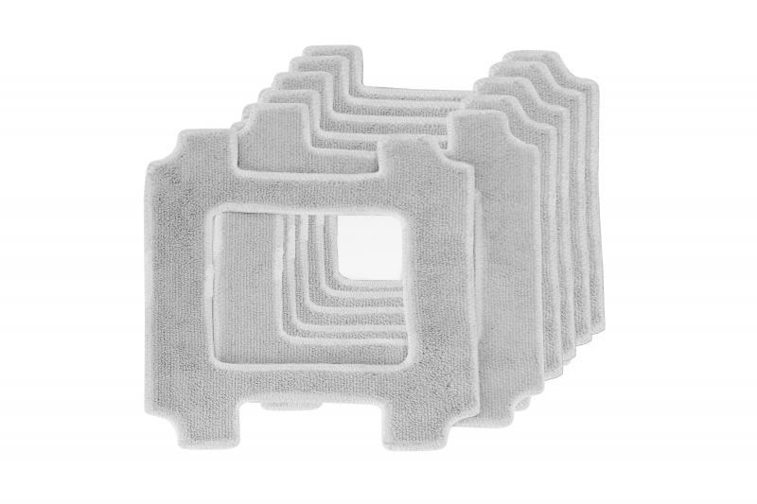
Lifenaxx replacement wipes 6pcs for LX-047

Item number | 5221 |  | VE | 24
EAN | 4260358126838 |  | Pieces per pallet | no information
Customs number | 63071030 |  | Layers per pallet | no information
UPC | 0
Dimensions - item
Length(inch) | Width(inch) | Height(inch) | Weight(oz)
8.46 | 8.46 | 0.08 | 0,35

Dimensions - item packaging
Length(inch) | Width(inch) | Height(inch) | Tare(oz) | Weight(oz) product + packaging
8.66 | 0.98 | 9.45 | 2,43 | 4,44

Dimensions - VE box (master box)
Length(inch) | Width(inch) | Height(inch) | Weight(oz)
19.88 | 14.37 | 10.55 | 141,10

Packaging - components
Rest of accessories (oz) | Paper / cardboard (oz) | Styrofoam (oz) | Plastic hollow body(oz) | Plastic. foils(oz) | Composite materials (oz)
0,00 | 0,00 | 0,00 | 0,00 | 0,00 | 0,00

Further informations
Technaxx reseller portal

