Worksheet
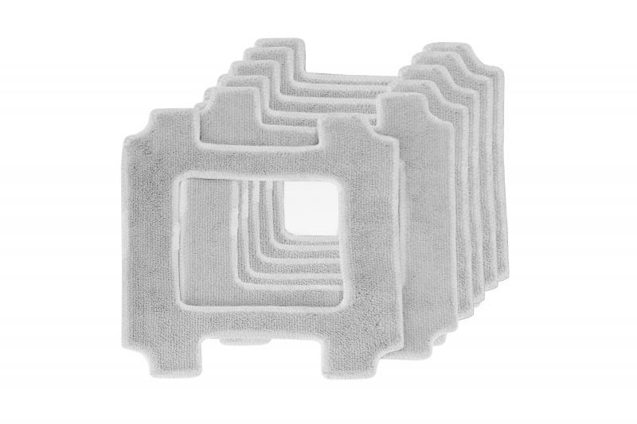
Lifenaxx replacement wipes 6pcs for LX-047

Item number | 5221 |  | VE | 24
EAN | 4260358126838 |  | Pieces per pallet | no information
Customs number | 63071030 |  | Layers per pallet | no information

Dimensions - item
Length(cm) | Width(cm) | Height(cm) | Weight(g)
21.5 | 21.5 | 0.2 | 10

Dimensions - item packaging
Length(cm) | Width(cm) | Height(cm) | Tare(g) | Weight(g) product + packaging
22 | 2.5 | 24 | 69 | 126

Dimensions - VE box (master box)
Length(cm) | Width(cm) | Height(cm) | Weight(g)
50.5 | 36.5 | 26.8 | 4000

Packaging - components
Rest of accessories (g) | Paper / cardboard (g) | Styrofoam (g) | Plastic hollow body(g) | Plastic. foils(g) | Composite materials (g)
0 | 0 | 0 | 0 | 0 | 0

Further informations
Technaxx reseller portal

