Worksheet
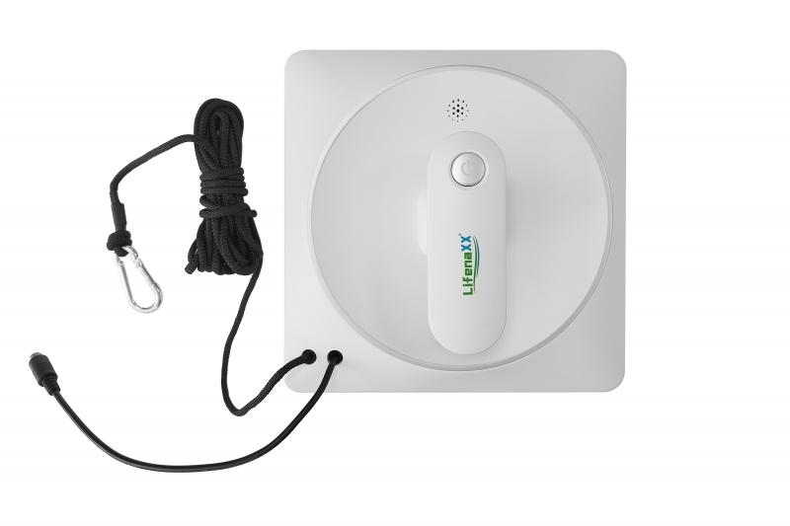
Lifenaxx Window Cleaning Robot LX-047

Item number | 5220 |  | VE | 4
EAN | 4260358126821 |  | Pieces per pallet | 96
Customs number | 85081100 |  | Layers per pallet | no information
UPC | 0
Dimensions - item
Length(inch) | Width(inch) | Height(inch) | Weight(oz)
8.46 | 8.46 | 3.54 | 47,76

Dimensions - item packaging
Length(inch) | Width(inch) | Height(inch) | Tare(oz) | Weight(oz) product + packaging
13.58 | 4.53 | 9.84 | 23,21 | 96,65

Dimensions - VE box (master box)
Length(inch) | Width(inch) | Height(inch) | Weight(oz)
19.88 | 14.37 | 10.55 | 423,29

Packaging - components
Rest of accessories (oz) | Paper / cardboard (oz) | Styrofoam (oz) | Plastic hollow body(oz) | Plastic. foils(oz) | Composite materials (oz)
19,79 | 5,57 | 0,00 | 0,00 | 0,00 | 0,00

Battery / accumulator informations
Battery needed | Battery included | Type of battery | Battery system(typus)
Yes | Yes | Akku | Li-Ion - Lithium-Ionen-Akku
Quantity(piece) | Weight per piece.(oz) | Energy density(WH/Kg) | Power (WH)
1 | 2,57 | 0 | 7.4

Lithium battery
Energy content | Weight (oz)
0.5 | 2,57

Further informations
Technaxx reseller portal

