Worksheet
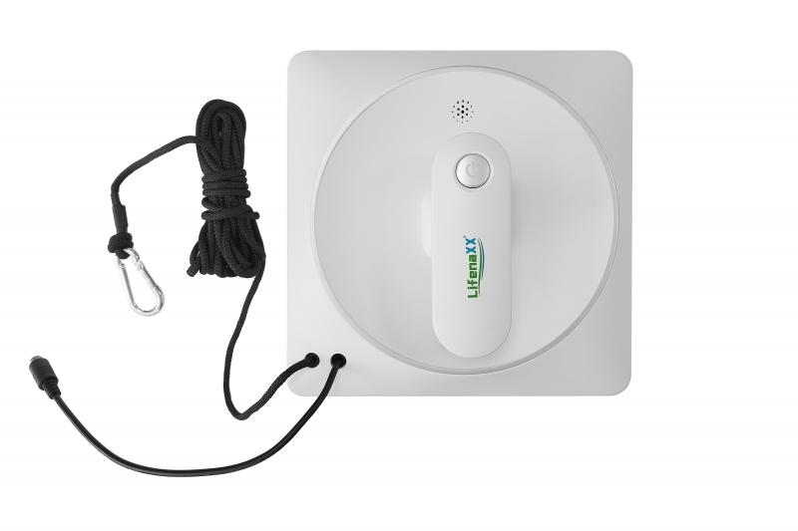
Lifenaxx Window Cleaning Robot LX-047

Item number | 5220 |  | VE | 4
EAN | 4260358126821 |  | Pieces per pallet | 96
Customs number | 85081100 |  | Layers per pallet | no information

Dimensions - item
Length(cm) | Width(cm) | Height(cm) | Weight(g)
21.5 | 21.5 | 9 | 1354

Dimensions - item packaging
Length(cm) | Width(cm) | Height(cm) | Tare(g) | Weight(g) product + packaging
34.5 | 11.5 | 25 | 658 | 2740

Dimensions - VE box (master box)
Length(cm) | Width(cm) | Height(cm) | Weight(g)
50.5 | 36.5 | 26.8 | 12000

Packaging - components
Rest of accessories (g) | Paper / cardboard (g) | Styrofoam (g) | Plastic hollow body(g) | Plastic. foils(g) | Composite materials (g)
561 | 158 | 0 | 0 | 0 | 0

Battery / accumulator informations
Battery needed | Battery included | Type of battery | Battery system(typus)
Yes | Yes | Akku | Li-Ion - Lithium-Ionen-Akku
Quantity(piece) | Weight per piece.(g) | Energy density(WH/Kg) | Power (WH)
1 | 73 | 0 | 7.4

Lithium battery
Energy content | Weight (Kg)
0.5 | 73

Further informations
Technaxx reseller portal

