Worksheet
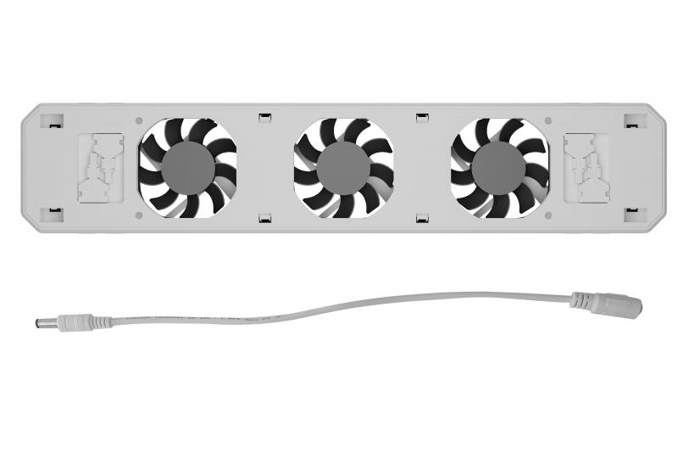
Technaxx Radiator Fan - Extension TX-303

Item number | 5215 |  | VE | 20
EAN | 4260358126807 |  | Pieces per pallet | no information
Customs number | 84145100 |  | Layers per pallet | 3
UPC | 0
Dimensions - item
Length(inch) | Width(inch) | Height(inch) | Weight(oz)
13.5 | 2.76 | 0.98 | 10,44

Dimensions - item packaging
Length(inch) | Width(inch) | Height(inch) | Tare(oz) | Weight(oz) product + packaging
20.08 | 3.46 | 1.77 | 3,70 | 15,38

Dimensions - VE box (master box)
Length(inch) | Width(inch) | Height(inch) | Weight(oz)
20.67 | 9.06 | 14.76 | 388,01

Packaging - components
Rest of accessories (oz) | Paper / cardboard (oz) | Styrofoam (oz) | Plastic hollow body(oz) | Plastic. foils(oz) | Composite materials (oz)
0,46 | 0,88 | 0,00 | 0,00 | 0,00 | 0,00

Further informations
Technaxx reseller portal

