Worksheet
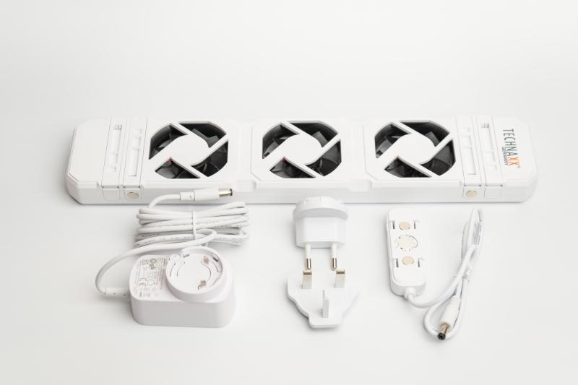
Technaxx Radiator Fan - Mono Set TX-302

Item number | 5214 |  | VE | 20
EAN | 4260358126791 |  | Pieces per pallet | no information
Customs number | 84145100 |  | Layers per pallet | 3

Dimensions - item
Length(cm) | Width(cm) | Height(cm) | Weight(g)
34.3 | 7 | 2.5 | 296

Dimensions - item packaging
Length(cm) | Width(cm) | Height(cm) | Tare(g) | Weight(g) product + packaging
51 | 8.8 | 5.7 | 104 | 646

Dimensions - VE box (master box)
Length(cm) | Width(cm) | Height(cm) | Weight(g)
52.5 | 23 | 37.4 | 14200

Packaging - components
Rest of accessories (g) | Paper / cardboard (g) | Styrofoam (g) | Plastic hollow body(g) | Plastic. foils(g) | Composite materials (g)
193 | 56 | 0 | 0 | 0 | 0

Further informations
Technaxx reseller portal

