Worksheet
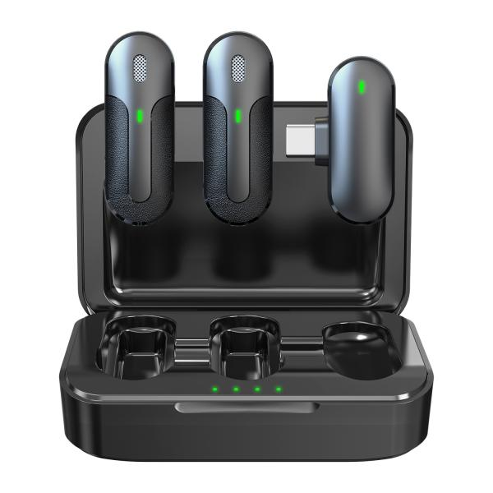
Technaxx Wireless Mini-Microphone Set TX-301

Item number | 5212 |  | VE | 60
EAN | 4260358126760 |  | Pieces per pallet | 3080
Customs number | 85176200 |  | Layers per pallet | 3
UPC | 0
Dimensions - item
Length(inch) | Width(inch) | Height(inch) | Weight(oz)
3.46 | 2.36 | 1.18 | 3,21

Dimensions - item packaging
Length(inch) | Width(inch) | Height(inch) | Tare(oz) | Weight(oz) product + packaging
3.15 | 1.38 | 4.72 | 1,38 | 5,43

Dimensions - VE box (master box)
Length(inch) | Width(inch) | Height(inch) | Weight(oz)
20.94 | 16.34 | 6.77 | 359,79

Packaging - components
Rest of accessories (oz) | Paper / cardboard (oz) | Styrofoam (oz) | Plastic hollow body(oz) | Plastic. foils(oz) | Composite materials (oz)
0,42 | 0,39 | 0,00 | 0,00 | 0,07 | 0,00

Battery / accumulator informations
Battery needed | Battery included | Type of battery | Battery system(typus)
Yes | Yes | Akku | Li-Ion - Lithium-Ionen-Akku
Quantity(piece) | Weight per piece.(oz) | Energy density(WH/Kg) | Power (WH)
1 | 0,18 | 0 | 0

Lithium battery
Energy content | Weight (oz)
0.6 | 0,18

Further informations
Technaxx reseller portal

