Worksheet
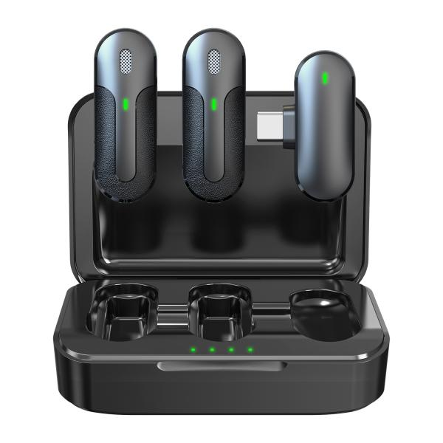
Technaxx Wireless Mini-Microphone Set TX-301

Item number | 5212 |  | VE | 60
EAN | 4260358126760 |  | Pieces per pallet | 3080
Customs number | 85176200 |  | Layers per pallet | 3

Dimensions - item
Length(cm) | Width(cm) | Height(cm) | Weight(g)
8.8 | 6 | 3 | 91

Dimensions - item packaging
Length(cm) | Width(cm) | Height(cm) | Tare(g) | Weight(g) product + packaging
8 | 3.5 | 12 | 39 | 154

Dimensions - VE box (master box)
Length(cm) | Width(cm) | Height(cm) | Weight(g)
53.2 | 41.5 | 17.2 | 10200

Packaging - components
Rest of accessories (g) | Paper / cardboard (g) | Styrofoam (g) | Plastic hollow body(g) | Plastic. foils(g) | Composite materials (g)
12 | 11 | 0 | 0 | 2 | 0

Battery / accumulator informations
Battery needed | Battery included | Type of battery | Battery system(typus)
Yes | Yes | Akku | Li-Ion - Lithium-Ionen-Akku
Quantity(piece) | Weight per piece.(g) | Energy density(WH/Kg) | Power (WH)
1 | 5 | 0 | 0

Lithium battery
Energy content | Weight (Kg)
0.6 | 5

Further informations
Technaxx reseller portal

