Worksheet
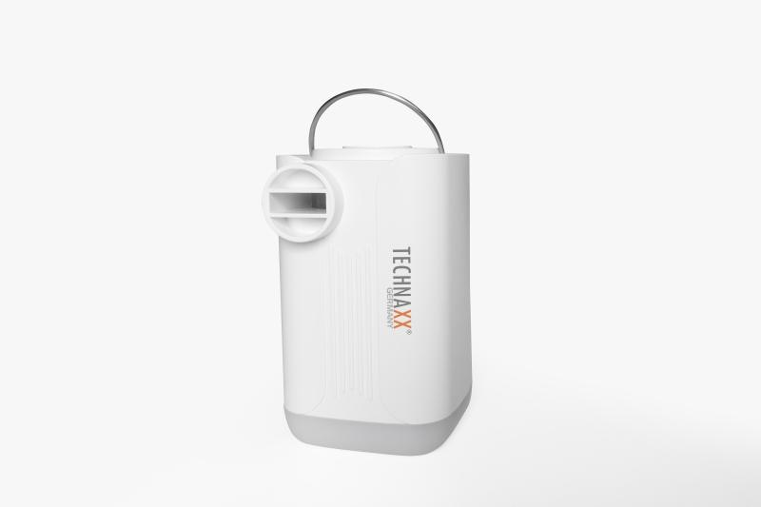
Technaxx Mini Battery Air Pump Pro TX-299

Item number | 5194 |  | VE | 8
EAN | 4260358126630 |  | Pieces per pallet | 1440
Customs number | 84148080 |  | Layers per pallet | 12
UPC | 0
Dimensions - item
Length(inch) | Width(inch) | Height(inch) | Weight(oz)
3.15 | 1.97 | 1.97 | 6,28

Dimensions - item packaging
Length(inch) | Width(inch) | Height(inch) | Tare(oz) | Weight(oz) product + packaging
4.13 | 2.36 | 4.72 | 0,85 | 9,49

Dimensions - VE box (master box)
Length(inch) | Width(inch) | Height(inch) | Weight(oz)
10.08 | 8.9 | 5.71 | 76,90

Packaging - components
Rest of accessories (oz) | Paper / cardboard (oz) | Styrofoam (oz) | Plastic hollow body(oz) | Plastic. foils(oz) | Composite materials (oz)
0,67 | 0,56 | 0,00 | 0,49 | 0,07 | 0,00

Battery / accumulator informations
Battery needed | Battery included | Type of battery | Battery system(typus)
No | Yes | Akku | Li-Ion - Lithium-Ionen-Akku
Quantity(piece) | Weight per piece.(oz) | Energy density(WH/Kg) | Power (WH)
1 | 1,76 | 266.4 | 13.32

Lithium battery
Energy content | Weight (oz)
3.6 | 0,18

Further informations
Technaxx reseller portal

