Worksheet
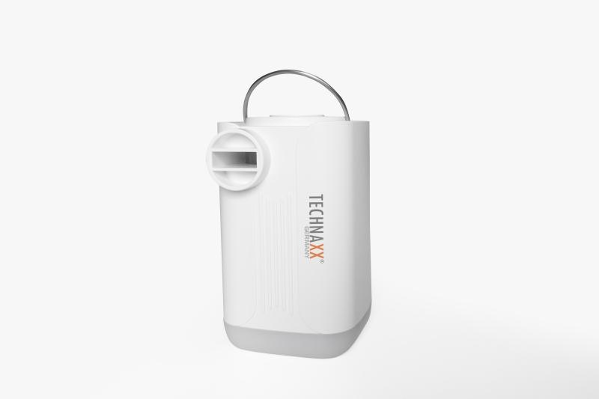
Technaxx Mini Battery Air Pump Pro TX-299

Item number | 5194 |  | VE | 8
EAN | 4260358126630 |  | Pieces per pallet | 1440
Customs number | 84148080 |  | Layers per pallet | 12

Dimensions - item
Length(cm) | Width(cm) | Height(cm) | Weight(g)
8 | 5 | 5 | 178

Dimensions - item packaging
Length(cm) | Width(cm) | Height(cm) | Tare(g) | Weight(g) product + packaging
10.5 | 6 | 12 | 24 | 269

Dimensions - VE box (master box)
Length(cm) | Width(cm) | Height(cm) | Weight(g)
25.6 | 22.6 | 14.5 | 2180

Packaging - components
Rest of accessories (g) | Paper / cardboard (g) | Styrofoam (g) | Plastic hollow body(g) | Plastic. foils(g) | Composite materials (g)
19 | 16 | 0 | 14 | 2 | 0

Battery / accumulator informations
Battery needed | Battery included | Type of battery | Battery system(typus)
No | Yes | Akku | Li-Ion - Lithium-Ionen-Akku
Quantity(piece) | Weight per piece.(g) | Energy density(WH/Kg) | Power (WH)
1 | 50 | 266.4 | 13.32

Lithium battery
Energy content | Weight (Kg)
3.6 | 5

Further informations
Technaxx reseller portal

