Worksheet
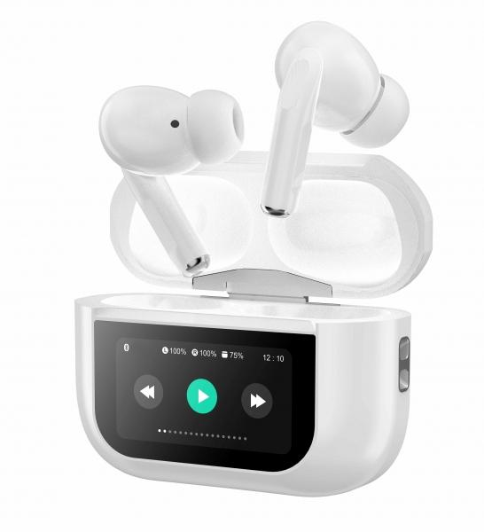
MusicMan TWS ANC In-Ear Headphones Pro BT-X72

Item number | 5192 |  | VE | 80
EAN | 4260358126609 |  | Pieces per pallet | 3360
Customs number | 85183000 |  | Layers per pallet | 5
UPC | 0
Dimensions - item
Length(inch) | Width(inch) | Height(inch) | Weight(oz)
2.36 | 0.98 | 1.77 | 2,29

Dimensions - item packaging
Length(inch) | Width(inch) | Height(inch) | Tare(oz) | Weight(oz) product + packaging
3.74 | 1.26 | 5.51 | 0,78 | 4,52

Dimensions - VE box (master box)
Length(inch) | Width(inch) | Height(inch) | Weight(oz)
16.54 | 14.57 | 12.8 | 289,25

Packaging - components
Rest of accessories (oz) | Paper / cardboard (oz) | Styrofoam (oz) | Plastic hollow body(oz) | Plastic. foils(oz) | Composite materials (oz)
0,35 | 0,81 | 0,00 | 0,42 | 0,04 | 0,00

Battery / accumulator informations
Battery needed | Battery included | Type of battery | Battery system(typus)
Yes | Yes | Akku | LiPoly - Lithium-Polymer-Akku
Quantity(piece) | Weight per piece.(oz) | Energy density(WH/Kg) | Power (WH)
3 | 0,11 | 192.36 | 1.11

Lithium battery
Energy content | Weight (oz)
0.3 | 0,00

Further informations
Technaxx reseller portal

