Worksheet
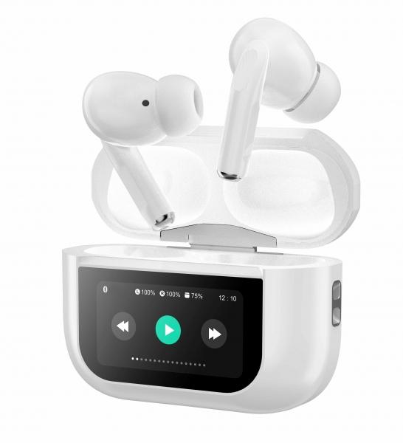
MusicMan TWS ANC In-Ear Headphones Pro BT-X72

Item number | 5192 |  | VE | 80
EAN | 4260358126609 |  | Pieces per pallet | 3360
Customs number | 85183000 |  | Layers per pallet | 5

Dimensions - item
Length(cm) | Width(cm) | Height(cm) | Weight(g)
6 | 2.5 | 4.5 | 65

Dimensions - item packaging
Length(cm) | Width(cm) | Height(cm) | Tare(g) | Weight(g) product + packaging
9.5 | 3.2 | 14 | 22 | 128

Dimensions - VE box (master box)
Length(cm) | Width(cm) | Height(cm) | Weight(g)
42 | 37 | 32.5 | 8200

Packaging - components
Rest of accessories (g) | Paper / cardboard (g) | Styrofoam (g) | Plastic hollow body(g) | Plastic. foils(g) | Composite materials (g)
10 | 23 | 0 | 12 | 1 | 0

Battery / accumulator informations
Battery needed | Battery included | Type of battery | Battery system(typus)
Yes | Yes | Akku | LiPoly - Lithium-Polymer-Akku
Quantity(piece) | Weight per piece.(g) | Energy density(WH/Kg) | Power (WH)
3 | 3 | 192.36 | 1.11

Lithium battery
Energy content | Weight (Kg)
0.3 | 0

Further informations
Technaxx reseller portal

