Worksheet
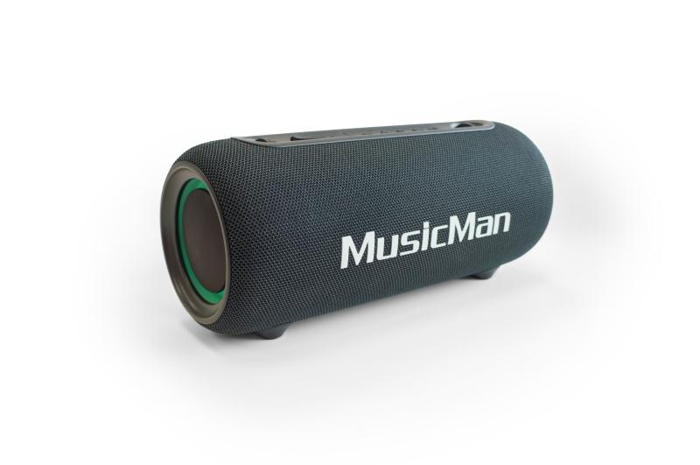
MusicMan LED Boombox 26W BT-X71

Item number | 5191 |  | VE | 6
EAN | 4260358126593 |  | Pieces per pallet | 150
Customs number | 85182100 |  | Layers per pallet | 5
UPC | 0
Dimensions - item
Length(inch) | Width(inch) | Height(inch) | Weight(oz)
11.14 | 4.88 | 4.72 | 45,86

Dimensions - item packaging
Length(inch) | Width(inch) | Height(inch) | Tare(oz) | Weight(oz) product + packaging
11.89 | 5.67 | 5.67 | 8,82 | 53,44

Dimensions - VE box (master box)
Length(inch) | Width(inch) | Height(inch) | Weight(oz)
17.8 | 12.05 | 12.6 | 342,16

Packaging - components
Rest of accessories (oz) | Paper / cardboard (oz) | Styrofoam (oz) | Plastic hollow body(oz) | Plastic. foils(oz) | Composite materials (oz)
0,00 | 0,00 | 0,00 | 0,00 | 0,00 | 0,00

Battery / accumulator informations
Battery needed | Battery included | Type of battery | Battery system(typus)
No | Yes | Akku | Li-Ion - Lithium-Ionen-Akku
Quantity(piece) | Weight per piece.(oz) | Energy density(WH/Kg) | Power (WH)
1 | 1,73 | 271.84 | 13

Lithium battery
Energy content | Weight (oz)
3600 | 1,73

Further informations
Technaxx reseller portal

