Worksheet
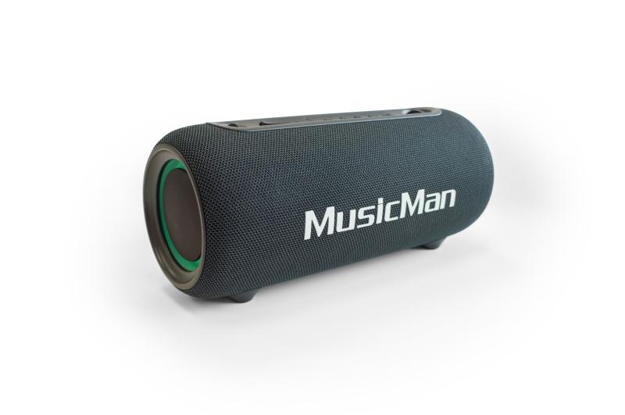
MusicMan LED Boombox 26W BT-X71

Item number | 5191 |  | VE | 6
EAN | 4260358126593 |  | Pieces per pallet | 150
Customs number | 85182100 |  | Layers per pallet | 5

Dimensions - item
Length(cm) | Width(cm) | Height(cm) | Weight(g)
28.3 | 12.4 | 12 | 1300

Dimensions - item packaging
Length(cm) | Width(cm) | Height(cm) | Tare(g) | Weight(g) product + packaging
30.2 | 14.4 | 14.4 | 250 | 1515

Dimensions - VE box (master box)
Length(cm) | Width(cm) | Height(cm) | Weight(g)
45.2 | 30.6 | 32 | 9700

Packaging - components
Rest of accessories (g) | Paper / cardboard (g) | Styrofoam (g) | Plastic hollow body(g) | Plastic. foils(g) | Composite materials (g)
0 | 0 | 0 | 0 | 0 | 0

Battery / accumulator informations
Battery needed | Battery included | Type of battery | Battery system(typus)
No | Yes | Akku | Li-Ion - Lithium-Ionen-Akku
Quantity(piece) | Weight per piece.(g) | Energy density(WH/Kg) | Power (WH)
1 | 49 | 271.84 | 13

Lithium battery
Energy content | Weight (Kg)
3600 | 49

Further informations
Technaxx reseller portal

