Worksheet
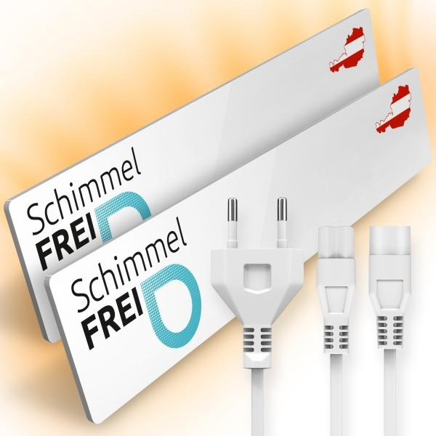
Mould-Dry Set

Item number | 5186 |  | VE | 8
EAN | 9120068360012 |  | Pieces per pallet | 100
Customs number | 85162999 |  | Layers per pallet | no information

Dimensions - item
Length(cm) | Width(cm) | Height(cm) | Weight(g)
52 | 9.5 | 2 | 1664

Dimensions - item packaging
Length(cm) | Width(cm) | Height(cm) | Tare(g) | Weight(g) product + packaging
62.5 | 15 | 10 | 698 | 2661

Dimensions - VE box (master box)
Length(cm) | Width(cm) | Height(cm) | Weight(g)
0 | 0 | 0 | 0

Packaging - components
Rest of accessories (g) | Paper / cardboard (g) | Styrofoam (g) | Plastic hollow body(g) | Plastic. foils(g) | Composite materials (g)
254 | 43 | 0 | 0 | 2 | 0

Further informations
Technaxx reseller portal

