Worksheet
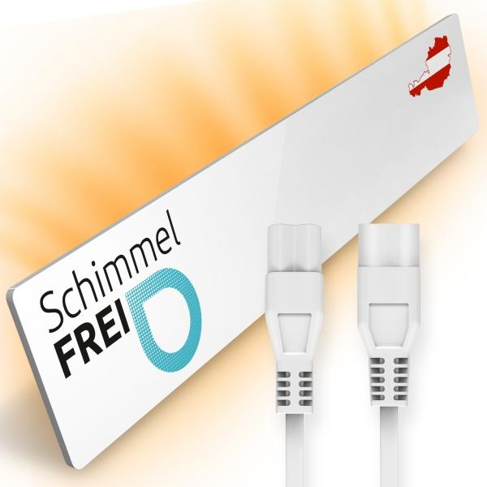
Mould-Dry M2 Extension Set

Item number | 5185 |  | VE | 10
EAN | 9120068360180 |  | Pieces per pallet | 200
Customs number | 85162999 |  | Layers per pallet | no information
UPC | 0
Dimensions - item
Length(inch) | Width(inch) | Height(inch) | Weight(oz)
20.47 | 3.74 | 0.79 | 29,35

Dimensions - item packaging
Length(inch) | Width(inch) | Height(inch) | Tare(oz) | Weight(oz) product + packaging
24.61 | 5.91 | 3.15 | 20,35 | 58,20

Dimensions - VE box (master box)
Length(inch) | Width(inch) | Height(inch) | Weight(oz)
0 | 0 | 0 | 0,00

Packaging - components
Rest of accessories (oz) | Paper / cardboard (oz) | Styrofoam (oz) | Plastic hollow body(oz) | Plastic. foils(oz) | Composite materials (oz)
7,30 | 1,52 | 0,00 | 0,00 | 0,04 | 0,00

Further informations
Technaxx reseller portal

