Worksheet
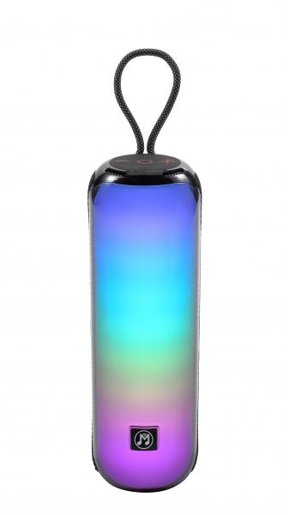
MusicMan BT-Speaker with RGB Light BT-X66

Item number | 5175 |  | VE | 10
EAN | 4260358126548 |  | Pieces per pallet | 420
Customs number | 85182100 |  | Layers per pallet | 6
UPC | 0
Dimensions - item
Length(inch) | Width(inch) | Height(inch) | Weight(oz)
2.95 | 2.95 | 9.84 | 23,56

Dimensions - item packaging
Length(inch) | Width(inch) | Height(inch) | Tare(oz) | Weight(oz) product + packaging
3.94 | 3.94 | 10.83 | 3,42 | 28,01

Dimensions - VE box (master box)
Length(inch) | Width(inch) | Height(inch) | Weight(oz)
20.28 | 11.42 | 8.39 | 282,19

Packaging - components
Rest of accessories (oz) | Paper / cardboard (oz) | Styrofoam (oz) | Plastic hollow body(oz) | Plastic. foils(oz) | Composite materials (oz)
0,42 | 0,74 | 0,00 | 0,00 | 0,00 | 0,00

Battery / accumulator informations
Battery needed | Battery included | Type of battery | Battery system(typus)
Yes | Yes | Akku | Li-Ion - Lithium-Ionen-Akku
Quantity(piece) | Weight per piece.(oz) | Energy density(WH/Kg) | Power (WH)
1 | 1,52 | 154.88 | 6.66

Lithium battery
Energy content | Weight (oz)
1.8 | 1,53

Further informations
Technaxx reseller portal

