Worksheet
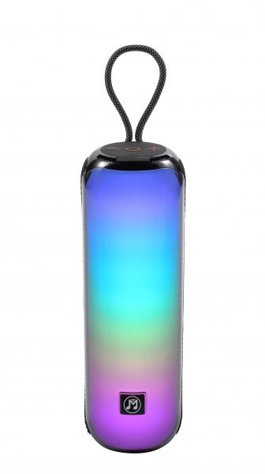
MusicMan BT-Speaker with RGB Light BT-X66

Item number | 5175 |  | VE | 10
EAN | 4260358126548 |  | Pieces per pallet | 420
Customs number | 85182100 |  | Layers per pallet | 6

Dimensions - item
Length(cm) | Width(cm) | Height(cm) | Weight(g)
7.5 | 7.5 | 25 | 668

Dimensions - item packaging
Length(cm) | Width(cm) | Height(cm) | Tare(g) | Weight(g) product + packaging
10 | 10 | 27.5 | 97 | 794

Dimensions - VE box (master box)
Length(cm) | Width(cm) | Height(cm) | Weight(g)
51.5 | 29 | 21.3 | 8000

Packaging - components
Rest of accessories (g) | Paper / cardboard (g) | Styrofoam (g) | Plastic hollow body(g) | Plastic. foils(g) | Composite materials (g)
12 | 21 | 0 | 0 | 0 | 0

Battery / accumulator informations
Battery needed | Battery included | Type of battery | Battery system(typus)
Yes | Yes | Akku | Li-Ion - Lithium-Ionen-Akku
Quantity(piece) | Weight per piece.(g) | Energy density(WH/Kg) | Power (WH)
1 | 43 | 154.88 | 6.66

Lithium battery
Energy content | Weight (Kg)
1.8 | 43.5

Further informations
Technaxx reseller portal

