Worksheet
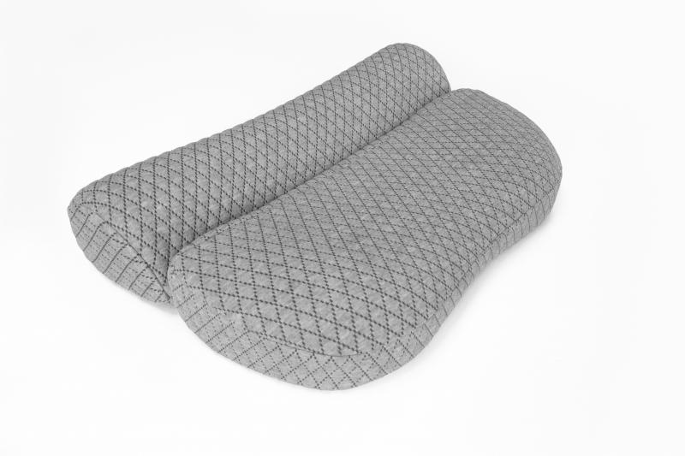
Lifenaxx neck support pillow LX-044

Item number | 5171 |  | VE | 5
EAN | 4260358126500 |  | Pieces per pallet | 100
Customs number | 94049090 |  | Layers per pallet | 5
UPC | 0
Dimensions - item
Length(inch) | Width(inch) | Height(inch) | Weight(oz)
0 | 0 | 0 | 26,10

Dimensions - item packaging
Length(inch) | Width(inch) | Height(inch) | Tare(oz) | Weight(oz) product + packaging
0 | 0 | 0 | 0,00 | 26,46

Dimensions - VE box (master box)
Length(inch) | Width(inch) | Height(inch) | Weight(oz)
20.08 | 13.78 | 12.99 | 0,00

Packaging - components
Rest of accessories (oz) | Paper / cardboard (oz) | Styrofoam (oz) | Plastic hollow body(oz) | Plastic. foils(oz) | Composite materials (oz)
0,00 | 0,00 | 0,00 | 0,00 | 0,00 | 0,00

Further informations
Technaxx reseller portal

