Worksheet
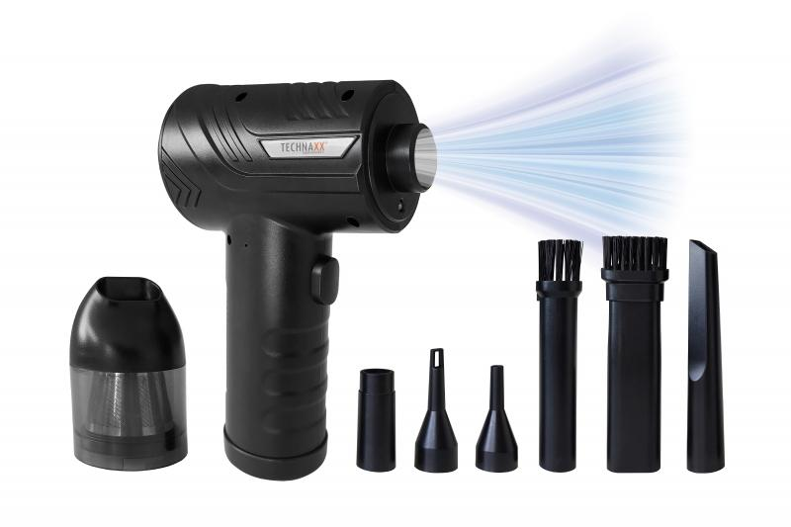
Technaxx Battery dust blower with suction function 68W TX-294

Item number | 5169 |  | VE | 25
EAN | 4260358126654 |  | Pieces per pallet | 360
Customs number | 85081100 |  | Layers per pallet | 5
UPC | 0
Dimensions - item
Length(inch) | Width(inch) | Height(inch) | Weight(oz)
6.3 | 4.33 | 2.36 | 13,90

Dimensions - item packaging
Length(inch) | Width(inch) | Height(inch) | Tare(oz) | Weight(oz) product + packaging
6.89 | 5.91 | 2.36 | 3,32 | 23,42

Dimensions - VE box (master box)
Length(inch) | Width(inch) | Height(inch) | Weight(oz)
17.32 | 14.49 | 14.65 | 567,91

Packaging - components
Rest of accessories (oz) | Paper / cardboard (oz) | Styrofoam (oz) | Plastic hollow body(oz) | Plastic. foils(oz) | Composite materials (oz)
2,47 | 0,53 | 0,00 | 0,60 | 0,21 | 0,00

Battery / accumulator informations
Battery needed | Battery included | Type of battery | Battery system(typus)
Yes | Yes | Akku | Li-Ion - Lithium-Ionen-Akku
Quantity(piece) | Weight per piece.(oz) | Energy density(WH/Kg) | Power (WH)
3 | 1,59 | 0 | 0

Lithium battery
Energy content | Weight (oz)
2 | 4,76

Further informations
Technaxx reseller portal

