Worksheet
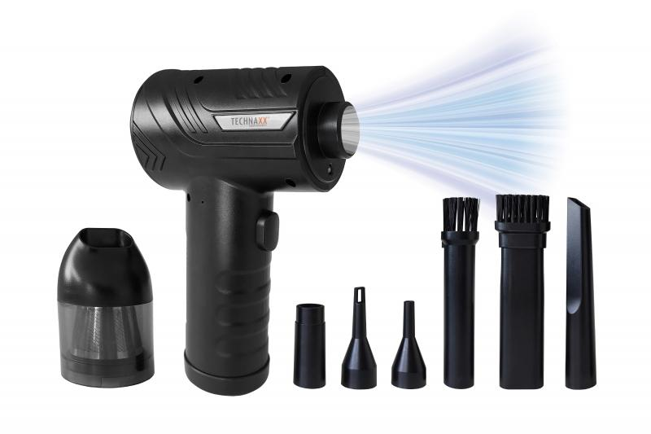
Technaxx Battery dust blower with suction function 68W TX-294

Item number | 5169 |  | VE | 25
EAN | 4260358126654 |  | Pieces per pallet | 360
Customs number | 85081100 |  | Layers per pallet | 5

Dimensions - item
Length(cm) | Width(cm) | Height(cm) | Weight(g)
16 | 11 | 6 | 394

Dimensions - item packaging
Length(cm) | Width(cm) | Height(cm) | Tare(g) | Weight(g) product + packaging
17.5 | 15 | 6 | 94 | 664

Dimensions - VE box (master box)
Length(cm) | Width(cm) | Height(cm) | Weight(g)
44 | 36.8 | 37.2 | 16100

Packaging - components
Rest of accessories (g) | Paper / cardboard (g) | Styrofoam (g) | Plastic hollow body(g) | Plastic. foils(g) | Composite materials (g)
70 | 15 | 0 | 17 | 6 | 0

Battery / accumulator informations
Battery needed | Battery included | Type of battery | Battery system(typus)
Yes | Yes | Akku | Li-Ion - Lithium-Ionen-Akku
Quantity(piece) | Weight per piece.(g) | Energy density(WH/Kg) | Power (WH)
3 | 45 | 0 | 0

Lithium battery
Energy content | Weight (Kg)
2 | 135

Further informations
Technaxx reseller portal

