Worksheet
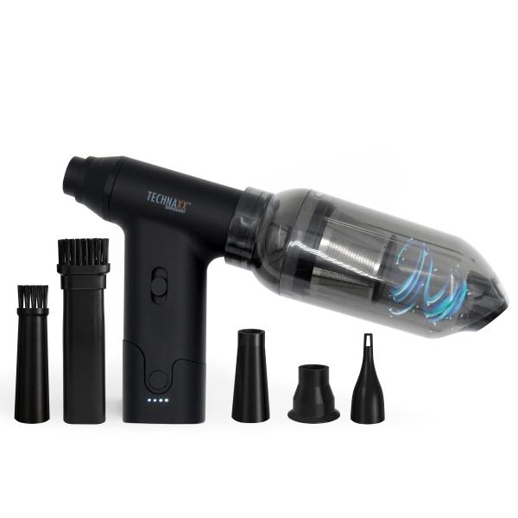
Technaxx Electric Air Duster & Vacuum 160W TX-293

Item number | 5168 |  | VE | 20
EAN | 4260358126647 |  | Pieces per pallet | 600
Customs number | 85081100 |  | Layers per pallet | 5
UPC | 0
Dimensions - item
Length(inch) | Width(inch) | Height(inch) | Weight(oz)
4.17 | 5.43 | 1.42 | 7,76

Dimensions - item packaging
Length(inch) | Width(inch) | Height(inch) | Tare(oz) | Weight(oz) product + packaging
5.2 | 2.56 | 7.4 | 0,00 | 12,35

Dimensions - VE box (master box)
Length(inch) | Width(inch) | Height(inch) | Weight(oz)
14.61 | 13.39 | 11.54 | 380,96

Packaging - components
Rest of accessories (oz) | Paper / cardboard (oz) | Styrofoam (oz) | Plastic hollow body(oz) | Plastic. foils(oz) | Composite materials (oz)
0,00 | 3,60 | 0,00 | 0,71 | 0,07 | 0,00

Battery / accumulator informations
Battery needed | Battery included | Type of battery | Battery system(typus)
Yes | Yes | Akku | Li-Ion - Lithium-Ionen-Akku
Quantity(piece) | Weight per piece.(oz) | Energy density(WH/Kg) | Power (WH)
2 | 1,52 | 432.24 | 18.5

Lithium battery
Energy content | Weight (oz)
2.5 | 3,03

Further informations
Technaxx reseller portal

