Worksheet
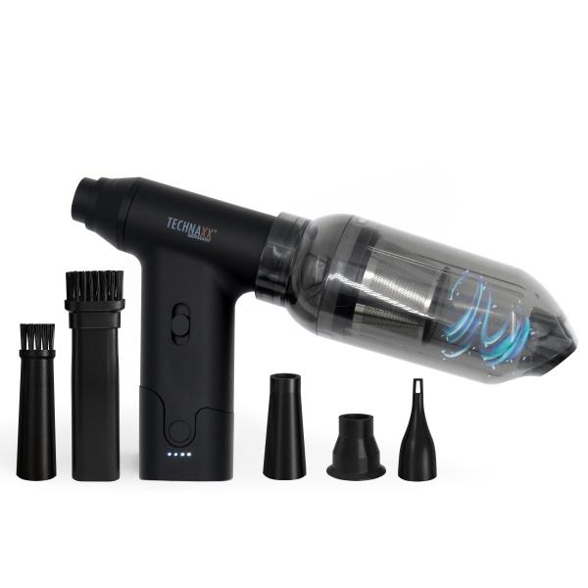
Technaxx Electric Air Duster & Vacuum 160W TX-293

Item number | 5168 |  | VE | 20
EAN | 4260358126647 |  | Pieces per pallet | 600
Customs number | 85081100 |  | Layers per pallet | 5

Dimensions - item
Length(cm) | Width(cm) | Height(cm) | Weight(g)
10.6 | 13.8 | 3.6 | 220

Dimensions - item packaging
Length(cm) | Width(cm) | Height(cm) | Tare(g) | Weight(g) product + packaging
13.2 | 6.5 | 18.8 | 0 | 350

Dimensions - VE box (master box)
Length(cm) | Width(cm) | Height(cm) | Weight(g)
37.1 | 34 | 29.3 | 10800

Packaging - components
Rest of accessories (g) | Paper / cardboard (g) | Styrofoam (g) | Plastic hollow body(g) | Plastic. foils(g) | Composite materials (g)
0 | 102 | 0 | 20 | 2 | 0

Battery / accumulator informations
Battery needed | Battery included | Type of battery | Battery system(typus)
Yes | Yes | Akku | Li-Ion - Lithium-Ionen-Akku
Quantity(piece) | Weight per piece.(g) | Energy density(WH/Kg) | Power (WH)
2 | 43 | 432.24 | 18.5

Lithium battery
Energy content | Weight (Kg)
2.5 | 86

Further informations
Technaxx reseller portal

