Worksheet
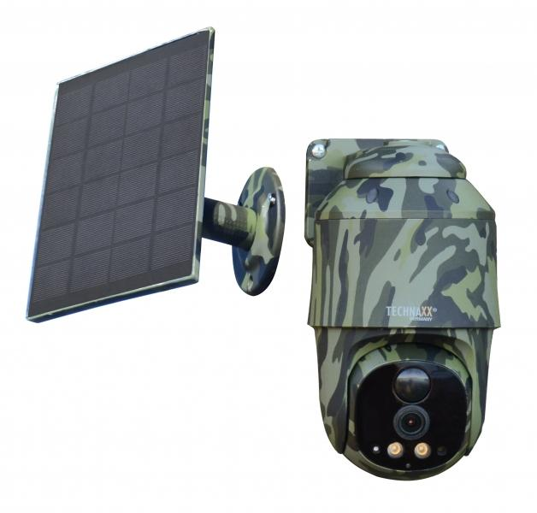
Technaxx 4G PT Dome TX-290 with solar panel

Item number | 5156 |  | VE | 12
EAN | 4260358126463 |  | Pieces per pallet | 216
Customs number | 85258900 |  | Layers per pallet | 3
UPC | 0
Dimensions - item
Length(inch) | Width(inch) | Height(inch) | Weight(oz)
5.91 | 3.54 | 3.15 | 19,82

Dimensions - item packaging
Length(inch) | Width(inch) | Height(inch) | Tare(oz) | Weight(oz) product + packaging
7.68 | 6.61 | 5.91 | 5,47 | 46,14

Dimensions - VE box (master box)
Length(inch) | Width(inch) | Height(inch) | Weight(oz)
16.14 | 13.78 | 18.31 | 557,33

Packaging - components
Rest of accessories (oz) | Paper / cardboard (oz) | Styrofoam (oz) | Plastic hollow body(oz) | Plastic. foils(oz) | Composite materials (oz)
7,16 | 3,84 | 0,99 | 0,00 | 0,11 | 0,00

Battery / accumulator informations
Battery needed | Battery included | Type of battery | Battery system(typus)
Yes | Yes | Akku | Li-Ion - Lithium-Ionen-Akku
Quantity(piece) | Weight per piece.(oz) | Energy density(WH/Kg) | Power (WH)
2 | 2,43 | 501.45 | 34.6

Lithium battery
Energy content | Weight (oz)
9.6 | 4,87

Further informations
Technaxx reseller portal

