Worksheet
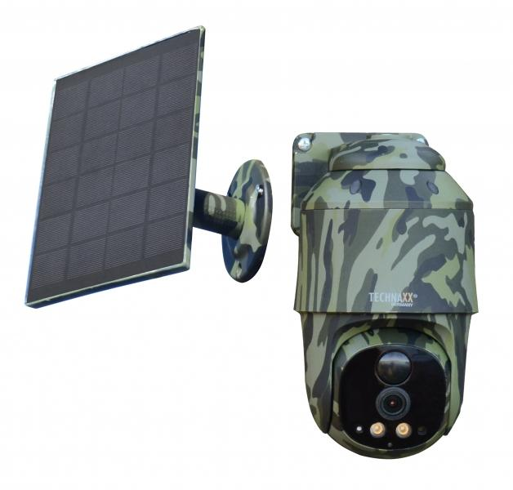
Technaxx 4G PT Dome TX-290 with solar panel

Item number | 5156 |  | VE | 12
EAN | 4260358126463 |  | Pieces per pallet | 216
Customs number | 85258900 |  | Layers per pallet | 3

Dimensions - item
Length(cm) | Width(cm) | Height(cm) | Weight(g)
15 | 9 | 8 | 562

Dimensions - item packaging
Length(cm) | Width(cm) | Height(cm) | Tare(g) | Weight(g) product + packaging
19.5 | 16.8 | 15 | 155 | 1308

Dimensions - VE box (master box)
Length(cm) | Width(cm) | Height(cm) | Weight(g)
41 | 35 | 46.5 | 15800

Packaging - components
Rest of accessories (g) | Paper / cardboard (g) | Styrofoam (g) | Plastic hollow body(g) | Plastic. foils(g) | Composite materials (g)
203 | 109 | 28 | 0 | 3 | 0

Battery / accumulator informations
Battery needed | Battery included | Type of battery | Battery system(typus)
Yes | Yes | Akku | Li-Ion - Lithium-Ionen-Akku
Quantity(piece) | Weight per piece.(g) | Energy density(WH/Kg) | Power (WH)
2 | 69 | 501.45 | 34.6

Lithium battery
Energy content | Weight (Kg)
9.6 | 138

Further informations
Technaxx reseller portal

