Worksheet
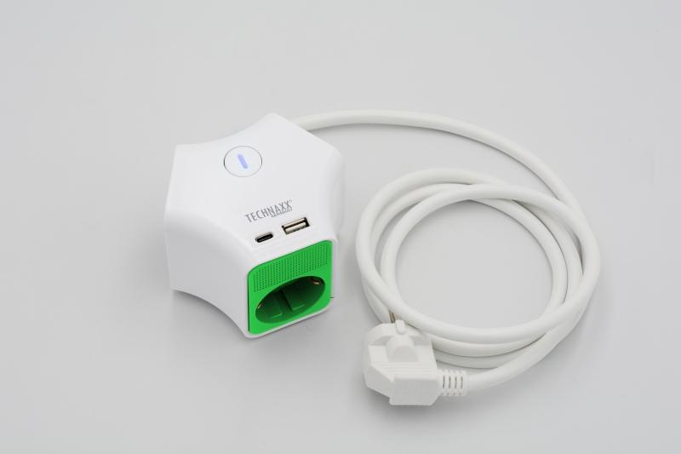
Technaxx Desktop socket Y 3 x 230V 1x USB-A 1x USB-C TX-269

Item number | 5152 |  | VE | no information
EAN | 4260358126425 |  | Pieces per pallet | no information
Customs number | 85366990 |  | Layers per pallet | no information
UPC | 0
Dimensions - item
Length(inch) | Width(inch) | Height(inch) | Weight(oz)
5.12 | 5.12 | 3.15 | 15,17

Dimensions - item packaging
Length(inch) | Width(inch) | Height(inch) | Tare(oz) | Weight(oz) product + packaging
5.12 | 5.12 | 3.15 | 0,35 | 15,52

Dimensions - VE box (master box)
Length(inch) | Width(inch) | Height(inch) | Weight(oz)
0 | 0 | 0 | 0,00

Packaging - components
Rest of accessories (oz) | Paper / cardboard (oz) | Styrofoam (oz) | Plastic hollow body(oz) | Plastic. foils(oz) | Composite materials (oz)
0,00 | 0,11 | 0,00 | 0,00 | 0,00 | 0,00

Further informations
Technaxx reseller portal

