Worksheet
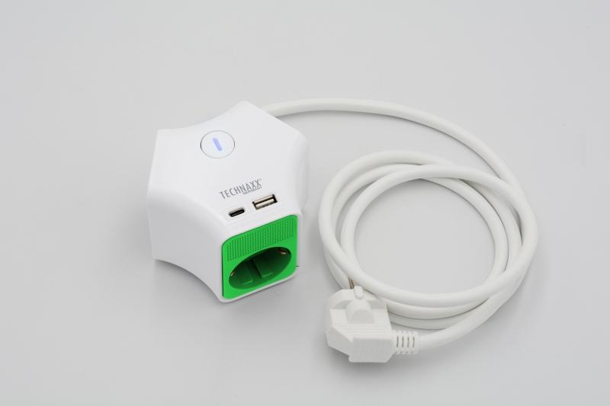
Technaxx Desktop socket Y 3 x 230V 1x USB-A 1x USB-C TX-269

Item number | 5152 |  | VE | no information
EAN | 4260358126425 |  | Pieces per pallet | no information
Customs number | 85366990 |  | Layers per pallet | no information

Dimensions - item
Length(cm) | Width(cm) | Height(cm) | Weight(g)
13 | 13 | 8 | 430

Dimensions - item packaging
Length(cm) | Width(cm) | Height(cm) | Tare(g) | Weight(g) product + packaging
13 | 13 | 8 | 10 | 440

Dimensions - VE box (master box)
Length(cm) | Width(cm) | Height(cm) | Weight(g)
0 | 0 | 0 | 0

Packaging - components
Rest of accessories (g) | Paper / cardboard (g) | Styrofoam (g) | Plastic hollow body(g) | Plastic. foils(g) | Composite materials (g)
0 | 3 | 0 | 0 | 0 | 0

Further informations
Technaxx reseller portal

