Worksheet
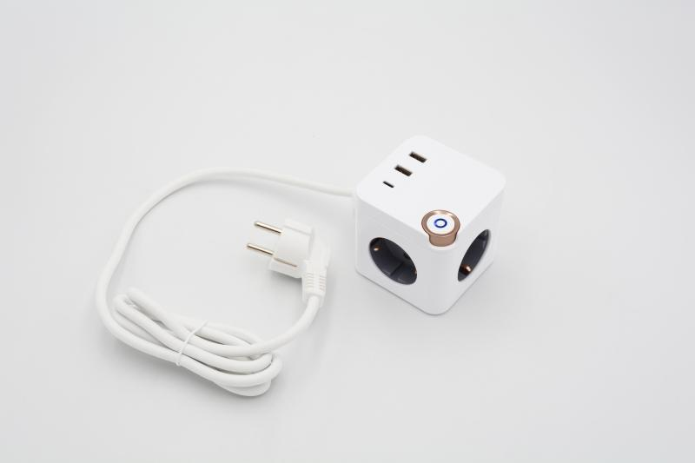
Technaxx socket cube 3x 230V & 2x USB-A, 1x USB-C TX-267

Item number | 5114 |  | VE | no information
EAN | 4260358126227 |  | Pieces per pallet | no information
Customs number | 85366900 |  | Layers per pallet | no information
UPC | 0
Dimensions - item
Length(inch) | Width(inch) | Height(inch) | Weight(oz)
2.76 | 2.76 | 2.76 | 14,11

Dimensions - item packaging
Length(inch) | Width(inch) | Height(inch) | Tare(oz) | Weight(oz) product + packaging
2.76 | 2.76 | 2.76 | 0,00 | 0,00

Dimensions - VE box (master box)
Length(inch) | Width(inch) | Height(inch) | Weight(oz)
0 | 0 | 0 | 0,00

Packaging - components
Rest of accessories (oz) | Paper / cardboard (oz) | Styrofoam (oz) | Plastic hollow body(oz) | Plastic. foils(oz) | Composite materials (oz)
0,00 | 0,00 | 0,00 | 0,00 | 0,00 | 0,00

Further informations
Technaxx reseller portal

